Zero-Based Monthly Budget
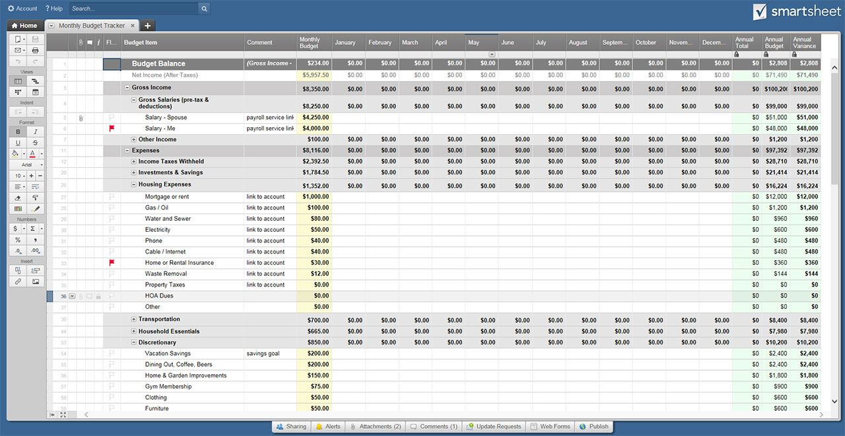
ZERO-BASED BUDGET TEMPLATE

Month:
INCOME |  | Budget |  | Actual Income
 | Salary 1 | $- |  | $-
 | Salary 2 | $- |  | $-
 | Other | $- |  | $-
 | Other | $- |  | $-
 | Total Budgeted Income: |  | $- |  | $-
EXPENSES |  |  |  | Actual Spent
Set | Giving | $- |  | $-
 | Saving | $- |  | $-
 | Retirement (15% of Income) | $- |  | $-
 | Home Mortgage | $- |  | $-
 | Homeowners Insurance | $- |  | $-
 | Cell/Home Phone | $- |  | $-
 | Electricity | $- |  | $-
 | Gas | $- |  | $-
 | Internet | $- |  | $-
 | Television | $- |  | $-
 | Trash | $- |  | $-
 | Water | $- |  | $-
 | Car Insurance | $- |  | $-
 | Health Insurance | $- |  | $-
 | Life Insurance | $- |  | $-
 | Umbrella Insurance | $- |  | $-
 | Other | $- |  | $-
 | Other | $- |  | $-
 | Other | $- |  | $-
 | Other | $- |  | $-

Debts | Credit Card Payment 1 | $- |  | $-
 | Credit Card Payment 2 | $- |  | $-
 | Department Store Card | $- |  | $-
 | Student Loans | $- |  | $-
 | Other | $- |  | $-
 | Total Set Expenses: |  | $- |  | $-
Adjustable | Books/Magazines | $- |  | $-
 | Child Care | $- |  | $-
 | Clothing | $- |  | $-
 | Entertainment | $- |  | $-
 | Groceries | $- |  | $-
 | Eating Out | $- |  | $-
 | Gasoline | $- |  | $-
 | Gifts | $- |  | $-
 | Healthcare | $- |  | $-
 | Home Décor | $- |  | $-
 | Home Maintenance | $- |  | $-
 | Job Expense | $- |  | $-
 | Toiletries | $- |  | $-
 | Pet Supplies | $- |  | $-
 | Recreation | $- |  | $-
 | Vacation | $- |  | $-
 | Vehicle Maintenance | $- |  | $-
 | Other | $- |  | $-
 | Other | $- |  | $-
 | Other | $- |  | $-
 | Other | $- |  | $-
 | Total Adjustable Expenses: |  | $- |  | $-

 | Total Budgeted Income | $- |  | Actual Monthly Income | $-
 | minus | - |  | minus | -
 | Total Budgeted Expenses | $- |  | Actual Monthly Expenses | $-
 | Total Budgeted Balance | $- |  | Actual Monthly Balance | $-
 |  | The above "Total Budgeted Balance" number should equal zero.

CLICK HERE TO CREATE ZERO-BASED BUDGET TEMPLATES IN SMARTSHEET

