Weekly Shift Schedule with Pay
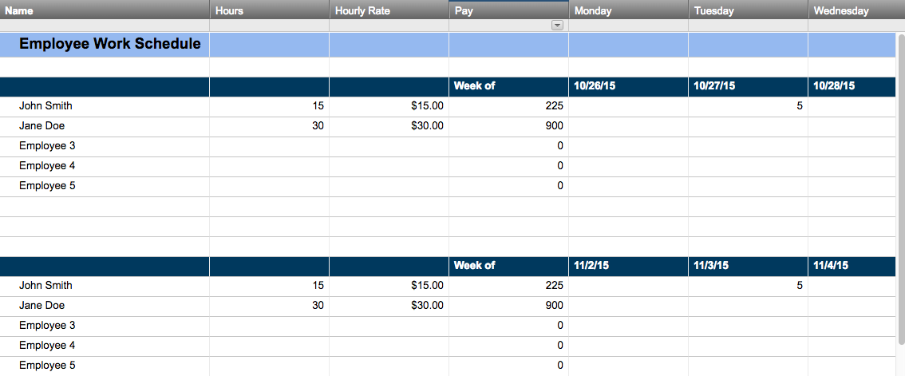
WEEKLY SHIFT SCHEDULE WITH PAY
WEEK BEGINNING: | 2016-05-02

EMPLOYEE ID | MON | TUES | WED | THURS | FRI | SAT | SUN | HOURS | RATE | PAY
 | 2016-05-02 | 2016-05-03 | 2016-05-04 | 2016-05-05 | 2016-05-06 | 2016-05-07 | 2016-05-08
40587 - Cara C. | Day | Day | Day | Day | Day | OFF | OFF | 56.00 | $23.14 | $1,295.84
42867 - Alex D. | Night | Swing Shift | Night | Swing Shift | Swing Shift | OFF | OFF | 48.50 | $17.16 | $832.26
52186 - Nathan M. | Half Time | Half Time | Half Time | Half Time | Half Time | OFF | OFF | 36.00 | $32.42 | $1,167.12
49862 - Daniel H. | Night | Swing Shift | Afternoon | Afternoon | Afternoon | OFF | OFF | 53.50 | $25.33 | $1,355.16
 |  |  |  |  |  |  |  | #N/A | #N/A | #N/A
 |  |  |  |  |  |  |  | #N/A | #N/A | #N/A
 |  |  |  |  |  |  |  | #N/A | #N/A | #N/A
 |  |  |  |  |  |  |  | #N/A | #N/A | #N/A
 |  |  |  |  |  |  |  | #N/A | #N/A | #N/A
 |  |  |  |  |  |  |  | #N/A | #N/A | #N/A
 |  |  |  |  |  |  |  | #N/A | #N/A | #N/A
 |  |  |  |  |  |  |  | #N/A | #N/A | #N/A
 |  |  |  |  |  |  |  | #N/A | #N/A | #N/A
 |  |  |  |  |  |  |  | #N/A | #N/A | #N/A
 |  |  |  |  |  |  |  | #N/A | #N/A | #N/A
 |  |  |  |  |  |  |  | TOTAL COST: |  | $4,650.38

Create an Employee Work Schedule in Smartsheet

