Weekly Work Schedule
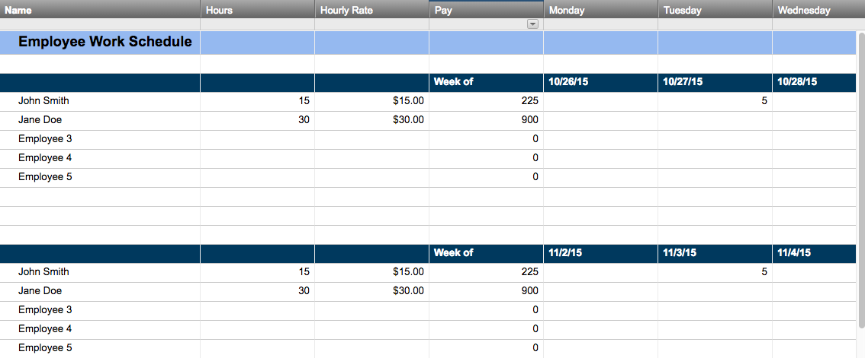
––––––––––––––––– WORK SCHEDULE: WEEKLY –––––––––––––––––

WEEK BEGINNING: | 2016-05-02 | COMPANY: | Your Company Name |  |  | DEPT: | Marketing

EMPLOYEE NAME | WORK ASSIGNED | MON | TUES | WED | THURS | FRI | SAT | SUN | HOURS
 |  | 2016-05-02 | 2016-05-03 | 2016-05-04 | 2016-05-05 | 2016-05-06 | 2016-05-07 | 2016-05-08
Alex Hart | Social Media statistical reporting | 5.00 | 7.50 | 8.50 | 9.00 | 10.00 |  |  | 40.00
 |  |  |  |  |  |  |  |  | 0.00
 |  |  |  |  |  |  |  |  | 0.00
 |  |  |  |  |  |  |  |  | 0.00
 |  |  |  |  |  |  |  |  | 0.00
 |  |  |  |  |  |  |  |  | 0.00
 |  |  |  |  |  |  |  |  | 0.00
 |  |  |  |  |  |  |  |  | 0.00
 |  |  |  |  |  |  |  |  | 0.00
 |  |  |  |  |  |  |  |  | 0.00
 |  |  |  |  |  |  |  |  | 0.00
 |  |  |  |  |  |  |  |  | 0.00
 |  |  |  |  |  |  |  |  | 0.00
 |  |  |  |  |  |  |  |  | 0.00
 |  |  |  |  |  |  |  |  | 0.00
 |  |  |  |  |  |  |  |  | 0.00
 |  |  |  |  |  |  |  |  | 0.00
 |  |  |  |  |  |  |  |  | 0.00
 |  |  |  |  |  |  |  |  | 0.00
 |  |  |  |  |  |  |  |  | 0.00

Create a Weekly Work Schedule in Smartsheet

