Front Page



CALENDAR

CHECKLIST

SUPPLIERS

GUEST WORKSHEET

FINAL GUEST LIST

INVITATIONS

WEDDING DAY SCHEDULE

PHOTOS

MORE...

Enter your wedding date here:

Enter your wedding date. Due dates will automatically
appear on the checklist page (format dd/mm/yyyy)

Something doesn't work? Something missing? Want something added?
Tell us at www.afterthewedding.com.au/contact.html

More Products from The Smart Bride

Checklist
Checklist
CHECKLIST

Tip: Don't forget to enter your wedding date on the front page and due dates will automatically appear below
DONE | DETAILS | TO DO DATE | NOTES

 | The Engagement
 | Buy an engagement ring
 | Announce engagement and insert in newspapers if desired.
 | Arrange engagement party.

 | Straight Away - Step 1
 | Set budget
 | Agree on the style of the wedding
 | Set the date
 | Choose the wedding venue
 | Choose wedding official
 | Contact wedding official
 | Choose wedding party
 | Contact wedding party
 | Decide on reception venue and book.

 | As Soon As Possible - Step 2
 | Arrange pre-marital counselling
 | Choose wedding colour scheme
 | Draw up a guest list and formalise approximate numbers for reception.
 | Begin shopping for wedding dress or dressmaker and accessories.
 | Plan and book the honeymoon.
 | Book the wedding transportation
 | Select photographer
 | Select videographer
 | Select flowers and florist
 | Select cars / car decorations
 | Select and book wedding music (music - aisle, signing certificate, hymns)
 | Select and book reception entertainment (general dancing, bridal waltz)
 | Select wedding dress
 | Select bridesmaids attire
 | Select groom's attire
 | Select groomsmen's attire

 | 3 Months Before
 | Select wedding rings. | 3 Months Before
 | Order invitation cards and stationery. | 3 Months Before
 | Collect and write invitations. | 3 Months Before
 | Choose hair & makeup and book | 3 Months Before
 | Choose wedding cake. | 3 Months Before
 | Arrange a Master of Ceremonies. | 3 Months Before
 | Write vows | 3 Months Before
 | Decide wedding format and write order of service | 3 Months Before
 | Consult with wedding official on format and order of service | 3 Months Before
 | Register with bridal registry | 3 Months Before
 | Arrange bridal party transportation | 3 Months Before

 | 2 Months Before
 | Meet with music provider/s to discuss music | 2 Months Before
 | Compile gift list and consult a gift registry if necessary. | 2 Months Before
 | Give notice of intent to marry to wedding official | 2 Months Before
 | Mail your invitations. | 2 Months Before
 | Decide on reception format | 2 Months Before
 | Discuss reception format with MC | 2 Months Before
 | Plan bridal shower | 2 Months Before
 | Plan where to dress on the day | 2 Months Before

 | 6 Weeks Before
 | Confirm reception arrangements and book menu planning meeting | 6 Weeks Before
 | Order beverages. | 6 Weeks Before
 | Confirm arrangements with florist. | 6 Weeks Before
 | Confirm honeymoon details. | 6 Weeks Before
 | Plan honeymoon clothes. | 6 Weeks Before
 | Maintain a record of acceptance and declines. | 6 Weeks Before
 | Plan hen's and buck's nights. | 6 Weeks Before
 | Select gifts for attendants and donaters (ushers, car owners, car drivers, parents etc) | 6 Weeks Before
 | Arrange wedding rehearsal. | 6 Weeks Before
 | Do order of service presentation | 6 Weeks Before
 | Contact DJ to go through reception music | 6 Weeks Before
 | Ask people to help with cleaning up / taking presents | 6 Weeks Before

 | 4 Weeks Before
 | Confirm reception arrangements especially if hired goods have been selected. | 4 Weeks Before
 | Confirm arrangements with wedding official. | 4 Weeks Before
 | Have a hair and beauty rehearsal. | 4 Weeks Before
 | Final wedding dress fitting and alterations if necessary. | 4 Weeks Before
 | Finalise arrangements with photographer. | 4 Weeks Before
 | Finalise attendants outfits. | 4 Weeks Before
 | Make wedding day appointments - hairdresser, beautician, etc. | 4 Weeks Before
 |  | 4 Weeks Before
 | 2 Weeks Before
 | Final fitting of all wedding attire and arrange delivery. | 2 Weeks Before
 | Type up and give out final "lists" to helpers | 2 Weeks Before
 | Type up seating list for reception venue | 2 Weeks Before
 | Type up presentation seating list for reception venue foyer (if required) | 2 Weeks Before
 | Go into florist to confirm | 2 Weeks Before
 | Make sure the wedding party is fully aware of all arrangements and of what is required of them. | 2 Weeks Before
 | Finalise guest numbers and confirm with caterers. | 2 Weeks Before
 | Arrange wedding reception seating. | 2 Weeks Before
 | Notify credit institutions, workplace, & other applicable of name change | 2 Weeks Before
 | Type an alphabetical list of guests and table allocations with place cards and give to your reception venue. | 2 Weeks Before
 | Book manicure | 2 Weeks Before
 | Ensure car decorations have been organised | 2 Weeks Before

 | 1 Week Before
 | Go to reception venue to confirm numbers and make payment (check with venue for procedures) | 1 Week Before
 | Finalise all arrangements - catering, floral, photography. | 1 Week Before
 | Have wedding rehearsal. | 1 Week Before
 | Final fitting check of all outfits and accessories. | 1 Week Before
 | Ensure that all guests (especially interstate and overseas) have transport to and from the ceremony and reception. | 1 Week Before
 | Pack an emergency kit for the day which the bride's mother can carry. | 1 Week Before
 | Pack for the honeymoon. | 1 Week Before
 | Layout all clothes for the wedding day - just to set your mind at ease. | 1 Week Before
 | Give gifts to attendants. | 1 Week Before
 | Confirm all wedding day appointments - just to make sure! | 1 Week Before

 | Days Before
 | Download your name change kit from www.afterthewedding.com.au
 | Have nails done
 | Get fake tan done
 | Double check transportation and petrol
 | Double check honeymoon tickets, and packed bag
 | Get excited!

 | After The Wedding
 | Download your FREE post wedding checklist from www.afterthewedding.com.au
 | Change your name - use the name change kit from www.afterthewedding.com.au

 | Wedding day tasks

More...
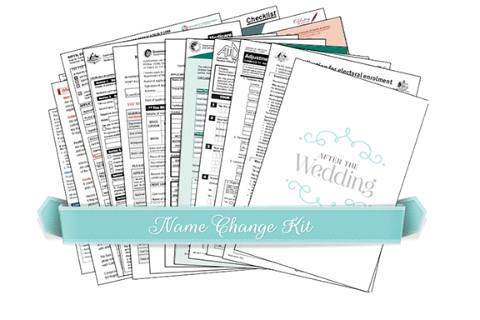
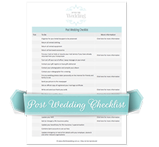

201 Ways to Save
On Your Wedding

 | Name change kit: instructions and forms for changing your name after marriage
Visit http://www.afterthewedding.com.au/thesmartbride.html |  | FREE post wedding checklist - everything you need to do after your wedding!
 |  | Visit www.afterthewedding.com.au to download the checklist
 | Visit www.afterthewedding.com.au for more information

