Trial Balance Worksheet
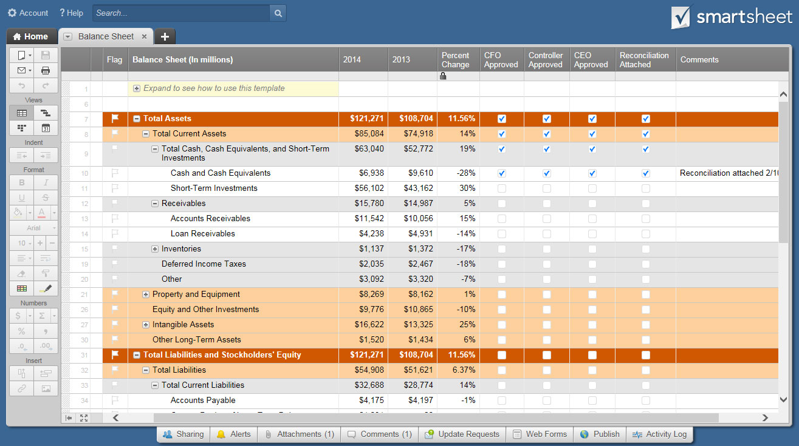
TRIAL BALANCE WORKSHEET TEMPLATE
COMPANY NAME | MANAGER NAME | COMPLETED BY |  | DATE COMPLETED

ACCOUNT | TYPE | BEGINNING BALANCE | DEBIT | CREDIT | ENDING BALANCE

CASH SALES | Cash Account | $300.00 | $20.00 | $- | $280.00
CUSTOMER ACCOUNT COLLECTIONS | Accounts Receivable | $500.00 | $- | $60.00 | $560.00
LOAN / CASH INJECTION | Cash Account | $- | $- | $- | $-
INTEREST INCOME | Capital | $- | $- | $- | $-
TAX REFUND | Capital | $- | $- | $- | $-
OTHER CASH RECEIPTS | Capital | $- | $- | $- | $-
OTHER | Capital | $- | $- | $- | $-
OTHER | Capital | $- | $- | $- | $-
OTHER | Capital | $- | $- | $- | $-
DIRECT PRODUCT / SERVICE COSTS | Cost of Goods Sold | $- | $- | $- | $-
PAYROLL TAXES / BENEFITS - DIRECT | Personnel Expenses | $- | $- | $- | $-
SALARIES - DIRECT | Personnel Expenses | $- | $- | $- | $-
SUPPLIES | Other Operational Expenses | $- | $- | $- | $-
OTHER | Other Operational Expenses | $- | $- | $- | $-
OTHER | Other Operational Expenses | $- | $- | $- | $-
OTHER | Other Operational Expenses | $- | $- | $- | $-
ACCOUNT FEES | Operational Expenses | $- | $- | $- | $-
ADVERTISING | Operational Expenses | $- | $- | $- | $-
BANK FEES | Financial Expenses | $- | $- | $- | $-
CONTINUING EDUCATION | Other Operational Expenses | $- | $- | $- | $-
DUES / SUBSCRIPTIONS | Other Operational Expenses | $- | $- | $- | $-
EQUIPMENT | Fixed Assets | $- | $- | $- | $-
BUILDING | Fixed Assets | $- | $- | $- | $-
LAND | Fixed Assets | $- | $- | $- | $-
FURNITURE / FIXTURES | Fixed Assets | $- | $- | $- | $-
INSURANCE | Operational Expenses | $- | $- | $- | $-
INTERNET | Other Operational Expenses | $- | $- | $- | $-
LICENSES / PERMITS | Operational Expenses | $- | $- | $- | $-
MEALS / ENTERTAINMENT | Other Operational Expenses | $- | $- | $- | $-
OFFICE SUPPLIES | Operational Expenses | $- | $- | $- | $-
PAYROLL PROCESSING | Personnel Expenses | $- | $- | $- | $-
PAYROLL TAXES / BENEFITS - INDIRECT | Personnel Expenses | $- | $- | $- | $-
POSTAGE / SHIPPING | Other Operational Expenses | $- | $- | $- | $-
PRINTING | Other Operational Expenses | $- | $- | $- | $-
PROFESSIONAL SERVICES | Personnel Expenses | $- | $- | $- | $-
OCCUPANCY | Operational Expenses | $- | $- | $- | $-
RENTAL FEES | Operational Expenses | $- | $- | $- | $-
SALARIES - INDIRECT | Personnel Expenses | $- | $- | $- | $-
SUBCONTRACTORS | Personnel Expenses | $- | $- | $- | $-
TELEPHONE | Operational Expenses | $- | $- | $- | $-
TRANSPORTATION | Other Operational Expenses | $- | $- | $- | $-
TRAVEL | Other Operational Expenses | $- | $- | $- | $-
UTILITIES | Operational Expenses | $- | $- | $- | $-
WEB DEVELOPMENT | Other Operational Expenses | $- | $- | $- | $-
WEB DOMAIN AND HOSTING | Other Operational Expenses | $- | $- | $- | $-
OTHER | Other Operational Expenses | $- | $- | $- | $-
OTHER | Other Operational Expenses | $- | $- | $- | $-
OTHER | Other Operational Expenses | $- | $- | $- | $-
CASH DISBURSEMENTS TO OWNERS | Other Operational Expenses | $- | $- | $- | $-
CHARITABLE CONTRIBUTIONS | Other Operational Expenses | $- | $- | $- | $-
INTEREST EXPENSE | Other Operational Expenses | $- | $- | $- | $-
INCOME TAX EXPENSE | Other Operational Expenses | $- | $- | $- | $-
OTHER | Other Operational Expenses | $- | $- | $- | $-
OTHER | Other Operational Expenses | $- | $- | $- | $-
OTHER | Other Operational Expenses | $- | $- | $- | $-
 | TOTALS | $800.00 | $20.00 | $60.00 | $840.00

 |  | VARIANCE (CREDITS – DEBITS) |  | $40.00

CLICK HERE TO CREATE TRIAL BALANCE WORKSHEET TEMPLATES IN SMARTSHEET

