12 Month Timecard Template
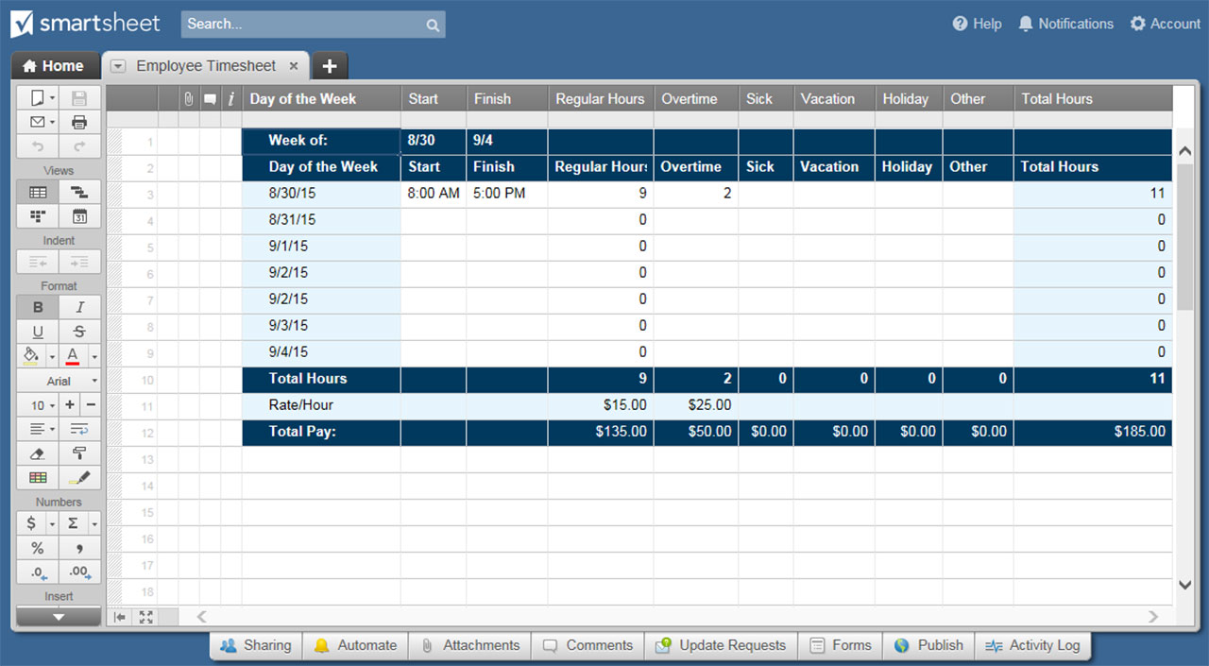
12-MONTH TIMECARD TEMPLATE

 |  |  | REGULAR |  | OVERTIME | COMBINED |  |  | EMPLOYEE NAME |  |  |  |  |  | EMPLOYEE ID |  |  | EMAIL |  |  |  |  |  | PHONE |  |  |  |  |  | MANAGER
Y T D T O T A L S |  |  | 0.00 |  | 0.00 | 0.00
JANUARY |  |  | FEBRUARY |  |  | MARCH |  |  | APRIL |  |  | MAY |  |  | JUNE |  |  | JULY |  |  | AUGUST |  |  | SEPTEMBER |  |  | OCTOBER |  |  | NOVEMBER |  |  | DECEMBER
DAY | REGULAR | OVERTIME | DAY | REGULAR | OVERTIME | DAY | REGULAR | OVERTIME | DAY | REGULAR | OVERTIME | DAY | REGULAR | OVERTIME | DAY | REGULAR | OVERTIME | DAY | REGULAR | OVERTIME | DAY | REGULAR | OVERTIME | DAY | REGULAR | OVERTIME | DAY | REGULAR | OVERTIME | DAY | REGULAR | OVERTIME | DAY | REGULAR | OVERTIME

1 |  |  | 1 |  |  | 1 |  |  | 1 |  |  | 1 |  |  | 1 |  |  | 1 |  |  | 1 |  |  | 1 |  |  | 1 |  |  | 1 |  |  | 1
2 |  |  | 2 |  |  | 2 |  |  | 2 |  |  | 2 |  |  | 2 |  |  | 2 |  |  | 2 |  |  | 2 |  |  | 2 |  |  | 2 |  |  | 2
3 |  |  | 3 |  |  | 3 |  |  | 3 |  |  | 3 |  |  | 3 |  |  | 3 |  |  | 3 |  |  | 3 |  |  | 3 |  |  | 3 |  |  | 3
4 |  |  | 4 |  |  | 4 |  |  | 4 |  |  | 4 |  |  | 4 |  |  | 4 |  |  | 4 |  |  | 4 |  |  | 4 |  |  | 4 |  |  | 4
5 |  |  | 5 |  |  | 5 |  |  | 5 |  |  | 5 |  |  | 5 |  |  | 5 |  |  | 5 |  |  | 5 |  |  | 5 |  |  | 5 |  |  | 5
6 |  |  | 6 |  |  | 6 |  |  | 6 |  |  | 6 |  |  | 6 |  |  | 6 |  |  | 6 |  |  | 6 |  |  | 6 |  |  | 6 |  |  | 6
7 |  |  | 7 |  |  | 7 |  |  | 7 |  |  | 7 |  |  | 7 |  |  | 7 |  |  | 7 |  |  | 7 |  |  | 7 |  |  | 7 |  |  | 7
8 |  |  | 8 |  |  | 8 |  |  | 8 |  |  | 8 |  |  | 8 |  |  | 8 |  |  | 8 |  |  | 8 |  |  | 8 |  |  | 8 |  |  | 8
9 |  |  | 9 |  |  | 9 |  |  | 9 |  |  | 9 |  |  | 9 |  |  | 9 |  |  | 9 |  |  | 9 |  |  | 9 |  |  | 9 |  |  | 9
10 |  |  | 10 |  |  | 10 |  |  | 10 |  |  | 10 |  |  | 10 |  |  | 10 |  |  | 10 |  |  | 10 |  |  | 10 |  |  | 10 |  |  | 10
11 |  |  | 11 |  |  | 11 |  |  | 11 |  |  | 11 |  |  | 11 |  |  | 11 |  |  | 11 |  |  | 11 |  |  | 11 |  |  | 11 |  |  | 11
12 |  |  | 12 |  |  | 12 |  |  | 12 |  |  | 12 |  |  | 12 |  |  | 12 |  |  | 12 |  |  | 12 |  |  | 12 |  |  | 12 |  |  | 12
13 |  |  | 13 |  |  | 13 |  |  | 13 |  |  | 13 |  |  | 13 |  |  | 13 |  |  | 13 |  |  | 13 |  |  | 13 |  |  | 13 |  |  | 13
14 |  |  | 14 |  |  | 14 |  |  | 14 |  |  | 14 |  |  | 14 |  |  | 14 |  |  | 14 |  |  | 14 |  |  | 14 |  |  | 14 |  |  | 14
15 |  |  | 15 |  |  | 15 |  |  | 15 |  |  | 15 |  |  | 15 |  |  | 15 |  |  | 15 |  |  | 15 |  |  | 15 |  |  | 15 |  |  | 15
16 |  |  | 16 |  |  | 16 |  |  | 16 |  |  | 16 |  |  | 16 |  |  | 16 |  |  | 16 |  |  | 16 |  |  | 16 |  |  | 16 |  |  | 16
17 |  |  | 17 |  |  | 17 |  |  | 17 |  |  | 17 |  |  | 17 |  |  | 17 |  |  | 17 |  |  | 17 |  |  | 17 |  |  | 17 |  |  | 17
18 |  |  | 18 |  |  | 18 |  |  | 18 |  |  | 18 |  |  | 18 |  |  | 18 |  |  | 18 |  |  | 18 |  |  | 18 |  |  | 18 |  |  | 18
19 |  |  | 19 |  |  | 19 |  |  | 19 |  |  | 19 |  |  | 19 |  |  | 19 |  |  | 19 |  |  | 19 |  |  | 19 |  |  | 19 |  |  | 19
20 |  |  | 20 |  |  | 20 |  |  | 20 |  |  | 20 |  |  | 20 |  |  | 20 |  |  | 20 |  |  | 20 |  |  | 20 |  |  | 20 |  |  | 20
21 |  |  | 21 |  |  | 21 |  |  | 21 |  |  | 21 |  |  | 21 |  |  | 21 |  |  | 21 |  |  | 21 |  |  | 21 |  |  | 21 |  |  | 21
22 |  |  | 22 |  |  | 22 |  |  | 22 |  |  | 22 |  |  | 22 |  |  | 22 |  |  | 22 |  |  | 22 |  |  | 22 |  |  | 22 |  |  | 22
23 |  |  | 23 |  |  | 23 |  |  | 23 |  |  | 23 |  |  | 23 |  |  | 23 |  |  | 23 |  |  | 23 |  |  | 23 |  |  | 23 |  |  | 23
24 |  |  | 24 |  |  | 24 |  |  | 24 |  |  | 24 |  |  | 24 |  |  | 24 |  |  | 24 |  |  | 24 |  |  | 24 |  |  | 24 |  |  | 24
25 |  |  | 25 |  |  | 25 |  |  | 25 |  |  | 25 |  |  | 25 |  |  | 25 |  |  | 25 |  |  | 25 |  |  | 25 |  |  | 25 |  |  | 25
26 |  |  | 26 |  |  | 26 |  |  | 26 |  |  | 26 |  |  | 26 |  |  | 26 |  |  | 26 |  |  | 26 |  |  | 26 |  |  | 26 |  |  | 26
27 |  |  | 27 |  |  | 27 |  |  | 27 |  |  | 27 |  |  | 27 |  |  | 27 |  |  | 27 |  |  | 27 |  |  | 27 |  |  | 27 |  |  | 27
28 |  |  | 28 |  |  | 28 |  |  | 28 |  |  | 28 |  |  | 28 |  |  | 28 |  |  | 28 |  |  | 28 |  |  | 28 |  |  | 28 |  |  | 28
29 |  |  | 29 |  |  | 29 |  |  | 29 |  |  | 29 |  |  | 29 |  |  | 29 |  |  | 29 |  |  | 29 |  |  | 29 |  |  | 29 |  |  | 29
30 |  |  |  |  |  | 30 |  |  | 30 |  |  | 30 |  |  | 30 |  |  | 30 |  |  | 30 |  |  | 30 |  |  | 30 |  |  | 30 |  |  | 30
31 |  |  |  |  |  | 31 |  |  |  |  |  | 31 |  |  |  |  |  | 31 |  |  | 31 |  |  |  |  |  | 31 |  |  |  |  |  | 31
 | 0.00 | 0.00 |  | 0.00 | 0.00 |  | 0.00 | 0.00 |  | 0.00 | 0.00 |  | 0.00 | 0.00 |  | 0.00 | 0.00 |  | 0.00 | 0.00 |  | 0.00 | 0.00 |  | 0.00 | 0.00 |  | 0.00 | 0.00 |  | 0.00 | 0.00 |  | 0.00 | 0.00
JANUARY |  |  | FEBRUARY |  |  | MARCH |  |  | APRIL |  |  | MAY |  |  | JUNE |  |  | JULY |  |  | AUGUST |  |  | SEPTEMBER |  |  | OCTOBER |  |  | NOVEMBER |  |  | DECEMBER

 |  | CLICK HERE TO CREATE 12-MONTH TIMECARD TEMPLATES IN SMARTSHEET

