K-12 School Expense Budget
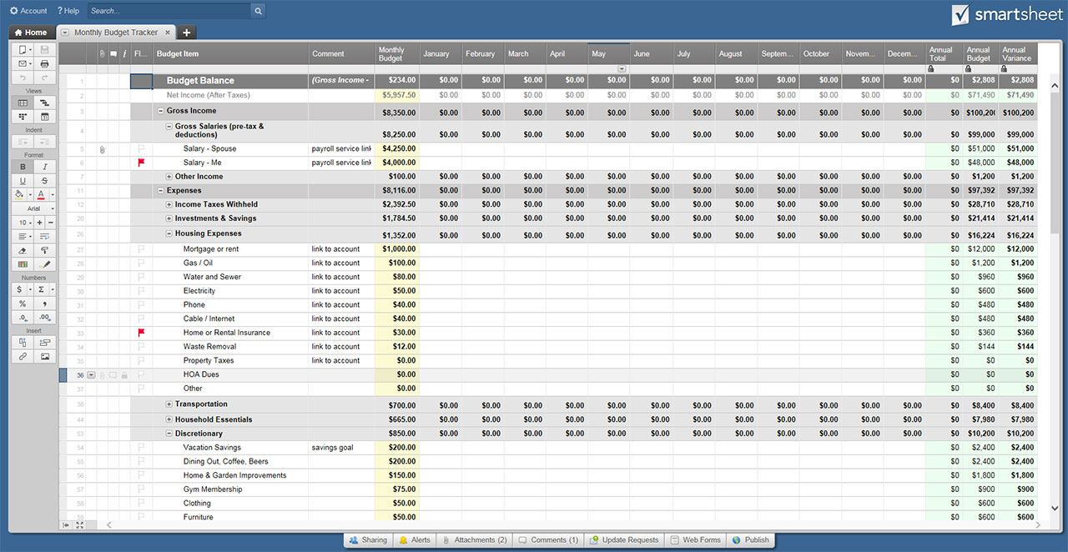
K-12 SCHOOL EXPENSE BUDGET TEMPLATE

STUDENT INFO |  |  |  |  | SCHOOL INFO |  |  |  |  | ADDITIONAL INFO
NAME OF STUDENT |  |  |  |  | SCHOOL NAME |  |  |  |  | SCHOOL YEAR START DATE | TEACHER NAME |  | OTHER
NAME OF GUARDIAN(S) |  |  |  |  | ADVISOR NAME
DATE OF BIRTH |  |  |  |  | PHONE |  |  |  |  |  | TEACHER CONTACT |  | OTHER
STUDENT ID |  |  |  |  | STREET ADDRESS |  |  |  |  | SCHOOL YEAR END DATE
GRADE LEVEL |  |  |  |  | CITY, STATE, ZIP |  |  |  |  |  | PRINCIPAL/HEADMASTER |  | OTHER
OTHER |  |  |  |  | OTHER

EXPENSES | SEPTEMBER | OCTOBER | NOVEMBER | DECEMBER | JANUARY | FEBRUARY | MARCH | APRIL | MAY | JUNE | JULY | AUGUST |  | YEAR-TO-DATE TOTALS
SCHOOL EXPENSES
TUITION | $- | $- | $- | $- | $- | $- | $- | $- | $- | $- | $- | $- |  | $-
LAB FEES | $- | $- | $- | $- | $- | $- | $- | $- | $- | $- | $- | $- |  | $-
BOOKS/BOOK FEES | $- | $- | $- | $- | $- | $- | $- | $- | $- | $- | $- | $- |  | $-
OTHER | $- | $- | $- | $- | $- | $- | $- | $- | $- | $- | $- | $- |  | $-
OTHER | $- | $- | $- | $- | $- | $- | $- | $- | $- | $- | $- | $- |  | $-
 | $- | $- | $- | $- | $- | $- | $- | $- | $- | $- | $- | $- |  | $-
FOOD & ACCOMMODATIONS
BREAKFAST MONEY | $- | $- | $- | $- | $- | $- | $- | $- | $- | $- | $- | $- |  | $-
LUNCH MONEY | $- | $- | $- | $- | $- | $- | $- | $- | $- | $- | $- | $- |  | $-
DAYCARE | $- | $- | $- | $- | $- | $- | $- | $- | $- | $- | $- | $- |  | $-
ROOM/BOARDING | $- | $- | $- | $- | $- | $- | $- | $- | $- | $- | $- | $- |  | $-
OTHER | $- | $- | $- | $- | $- | $- | $- | $- | $- | $- | $- | $- |  | $-
OTHER | $- | $- | $- | $- | $- | $- | $- | $- | $- | $- | $- | $- |  | $-
 | $- | $- | $- | $- | $- | $- | $- | $- | $- | $- | $- | $- |  | $-
TRANSPORTATION
BUS FEES | $- | $- | $- | $- | $- | $- | $- | $- | $- | $- | $- | $- |  | $-
PRIVATE TRANSPORTATION | $- | $- | $- | $- | $- | $- | $- | $- | $- | $- | $- | $- |  | $-
PARKING/TOLLS | $- | $- | $- | $- | $- | $- | $- | $- | $- | $- | $- | $- |  | $-
MASS TRANSIT PASS | $- | $- | $- | $- | $- | $- | $- | $- | $- | $- | $- | $- |  | $-
CARPOOL | $- | $- | $- | $- | $- | $- | $- | $- | $- | $- | $- | $- |  | $-
OTHER | $- | $- | $- | $- | $- | $- | $- | $- | $- | $- | $- | $- |  | $-
OTHER | $- | $- | $- | $- | $- | $- | $- | $- | $- | $- | $- | $- |  | $-
 | $- | $- | $- | $- | $- | $- | $- | $- | $- | $- | $- | $- |  | $-
ACTIVITIES
MUSICAL INSTRUMENT FEES | $- | $- | $- | $- | $- | $- | $- | $- | $- | $- | $- | $- |  | $-
SPORTS FEES | $- | $- | $- | $- | $- | $- | $- | $- | $- | $- | $- | $- |  | $-
SPORTS FEES 2 | $- | $- | $- | $- | $- | $- | $- | $- | $- | $- | $- | $- |  | $-
FIELD TRIPS | $- | $- | $- | $- | $- | $- | $- | $- | $- | $- | $- | $- |  | $-
CLUB FEES | $- | $- | $- | $- | $- | $- | $- | $- | $- | $- | $- | $- |  | $-
CLUB FEES 2 | $- | $- | $- | $- | $- | $- | $- | $- | $- | $- | $- | $- |  | $-
OTHER | $- | $- | $- | $- | $- | $- | $- | $- | $- | $- | $- | $- |  | $-
OTHER | $- | $- | $- | $- | $- | $- | $- | $- | $- | $- | $- | $- |  | $-
 | $- | $- | $- | $- | $- | $- | $- | $- | $- | $- | $- | $- |  | $-
GENERAL
CLOTHES | $- | $- | $- | $- | $- | $- | $- | $- | $- | $- | $- | $- |  | $-
SUPPLIES | $- | $- | $- | $- | $- | $- | $- | $- | $- | $- | $- | $- |  | $-
BACKPACK/LUNCHBOX | $- | $- | $- | $- | $- | $- | $- | $- | $- | $- | $- | $- |  | $-
ADDITIONAL BOOKS | $- | $- | $- | $- | $- | $- | $- | $- | $- | $- | $- | $- |  | $-
SCHOOL PICTURES | $- | $- | $- | $- | $- | $- | $- | $- | $- | $- | $- | $- |  | $-
YEARBOOK | $- | $- | $- | $- | $- | $- | $- | $- | $- | $- | $- | $- |  | $-
DANCES/EVENTS | $- | $- | $- | $- | $- | $- | $- | $- | $- | $- | $- | $- |  | $-
DANCES/EVENTS 2 | $- | $- | $- | $- | $- | $- | $- | $- | $- | $- | $- | $- |  | $-
OTHER | $- | $- | $- | $- | $- | $- | $- | $- | $- | $- | $- | $- |  | $-
OTHER | $- | $- | $- | $- | $- | $- | $- | $- | $- | $- | $- | $- |  | $-
OTHER | $- | $- | $- | $- | $- | $- | $- | $- | $- | $- | $- | $- |  | $-
 | $- | $- | $- | $- | $- | $- | $- | $- | $- | $- | $- | $- |  | $-

TOTAL | $- | $- | $- | $- | $- | $- | $- | $- | $- | $- | $- | $- |  | $-

CLICK HERE TO CREATE K-12 SCHOOL EXPENSE BUDGET TEMPLATES IN SMARTSHEET

