Personal Cash Flow Example
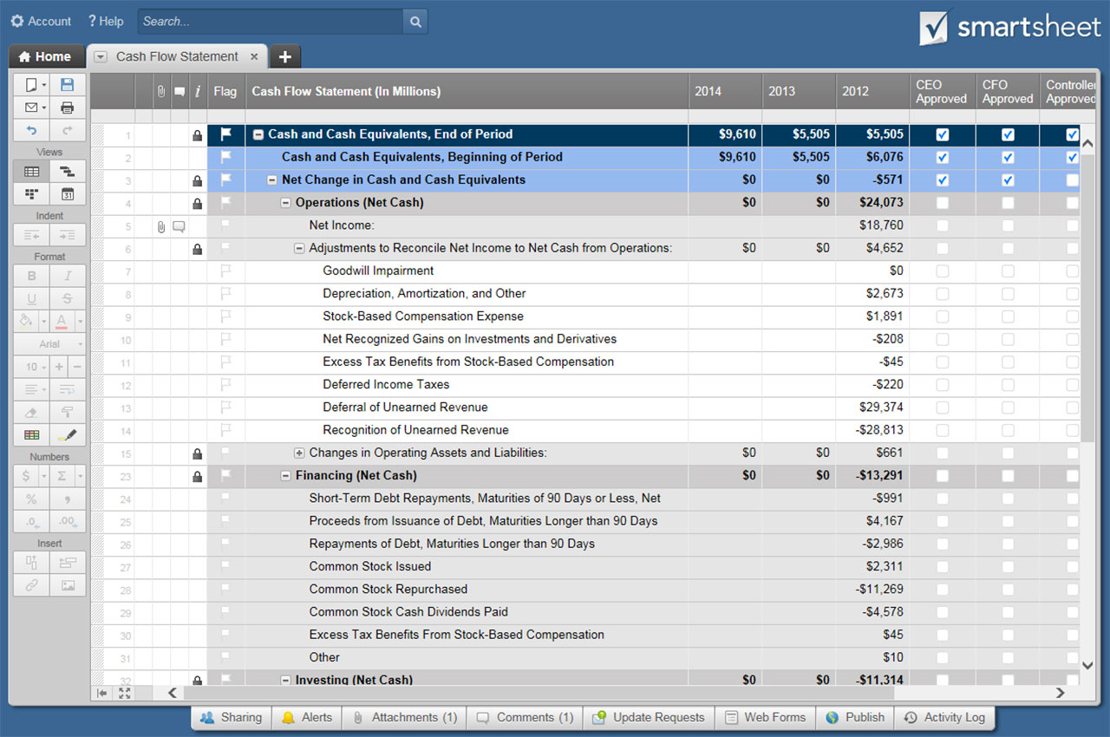
PERSONAL CASH FLOW TEMPLATE

 |  |  |  | SUMMARY
 |  |  |  | I N C O M E |  | $7,257.00
 |  |  |  | S A V I N G S |  | $1,655.00
 |  |  |  | E X P E N S E S |  | $5,359.00

 |  |  |  | C A S H F L O W |  | $243.00

 | Enter Income, Savings, and Expense Data below. Overview information above and totals will generate automatically.
 | JAN | FEB | MAR | APR | MAY | JUN | JUL | AUG | SEPT | OCT | NOV | DEC | YEARLY TOTALS | MONTHLY AVG | DAILY AVG
INCOME

Salary/Wages | $5,987.00 |  |  |  |  |  |  |  |  |  |  |  | $5,987.00 | $498.92 | $16.40
Interest Income | $200.00 |  |  |  |  |  |  |  |  |  |  |  | $200.00 | $16.67 | $0.55
Dividends | $100.00 |  |  |  |  |  |  |  |  |  |  |  | $100.00 | $8.33 | $0.27
Refunds/Reimbursements | $55.00 |  |  |  |  |  |  |  |  |  |  |  | $55.00 | $4.58 | $0.15
Business | $500.00 |  |  |  |  |  |  |  |  |  |  |  | $500.00 | $41.67 | $1.37
Pension | $300.00 |  |  |  |  |  |  |  |  |  |  |  | $300.00 | $25.00 | $0.82
Misc. | $115.00 |  |  |  |  |  |  |  |  |  |  |  | $115.00 | $9.58 | $0.32

TOTAL | $7,257.00 | $- | $- | $- | $- | $- | $- | $- | $- | $- | $- | $- | $7,257.00 | $604.75 | $19.88

SAVINGS

Emergency Fund | $500.00 | $- | $- | $- | $- | $- | $- | $- | $- | $- | $- | $- | $500.00 | $41.67 | $1.37
Transfer to Savings | $200.00 | $- | $- | $- | $- | $- | $- | $- | $- | $- | $- | $- | $200.00 | $16.67 | $0.55
Retirement(401K, IRA) | $100.00 | $- | $- | $- | $- | $- | $- | $- | $- | $- | $- | $- | $100.00 | $8.33 | $0.27
Investments | $55.00 | $- | $- | $- | $- | $- | $- | $- | $- | $- | $- | $- | $55.00 | $4.58 | $0.15
Education | $500.00 | $- | $- | $- | $- | $- | $- | $- | $- | $- | $- | $- | $500.00 | $41.67 | $1.37
Other | $300.00 | $- | $- | $- | $- | $- | $- | $- | $- | $- | $- | $- | $300.00 | $25.00 | $0.82

TOTAL | $1,655.00 | $- | $- | $- | $- | $- | $- | $- | $- | $- | $- | $- | $1,655.00 | $137.92 | $4.53

EXPENSES
HOME
Mortgage/rent | $2,250.00 | $- | $- | $- | $- | $- | $- | $- | $- | $- | $- | $- | $2,250.00 | $187.50 | $6.16
Home/Rental Insurance | $25.00 | $- | $- | $- | $- | $- | $- | $- | $- | $- | $- | $- | $25.00 | $2.08 | $0.07
Electricity | $40.00 | $- | $- | $- | $- | $- | $- | $- | $- | $- | $- | $- | $40.00 | $3.33 | $0.11
Gas/Oil | $44.00 | $- | $- | $- | $- | $- | $- | $- | $- | $- | $- | $- | $44.00 | $3.67 | $0.12
Water/Sewer/Trash | $20.00 | $- | $- | $- | $- | $- | $- | $- | $- | $- | $- | $- | $20.00 | $1.67 | $0.05
Phone | $15.00 | $- | $- | $- | $- | $- | $- | $- | $- | $- | $- | $- | $15.00 | $1.25 | $0.04
Cable/Satellite | $- | $- | $- | $- | $- | $- | $- | $- | $- | $- | $- | $- | $- | $- | $-
Internet | $29.00 | $- | $- | $- | $- | $- | $- | $- | $- | $- | $- | $- | $29.00 | $2.42 | $0.08
Furnishing/Appliances | $- | $- | $- | $- | $- | $- | $- | $- | $- | $- | $- | $- | $- | $- | $-
Lawn/Garden | $- | $- | $- | $- | $- | $- | $- | $- | $- | $- | $- | $- | $- | $- | $-
Maintenance/Improvements | $- | $- | $- | $- | $- | $- | $- | $- | $- | $- | $- | $- | $- | $- | $-
Other | $- | $- | $- | $- | $- | $- | $- | $- | $- | $- | $- | $- | $- | $- | $-
 | $2,423.00 | $- | $- | $- | $- | $- | $- | $- | $- | $- | $- | $- | $2,423.00 | $201.92 | $6.64
TRANSPORTATION
Car payments | $250.00 | $- | $- | $- | $- | $- | $- | $- | $- | $- | $- | $- | $250.00 | $20.83 | $0.68
Auto Insurance | $100.00 | $- | $- | $- | $- | $- | $- | $- | $- | $- | $- | $- | $100.00 | $8.33 | $0.27
Fuel | $100.00 | $- | $- | $- | $- | $- | $- | $- | $- | $- | $- | $- | $100.00 | $8.33 | $0.27
Public Transportation | $- | $- | $- | $- | $- | $- | $- | $- | $- | $- | $- | $- | $- | $- | $-
Repairs/Maintenance | $- | $- | $- | $- | $- | $- | $- | $- | $- | $- | $- | $- | $- | $- | $-
Registration/License | $100.00 | $- | $- | $- | $- | $- | $- | $- | $- | $- | $- | $- | $100.00 | $8.33 | $0.27
 | $550.00 | $- | $- | $- | $- | $- | $- | $- | $- | $- | $- | $- | $550.00 | $45.83 | $1.51
DAILY LIVING
Groceries | $250.00 | $- | $- | $- | $- | $- | $- | $- | $- | $- | $- | $- | $250.00 | $20.83 | $0.68
Child care | $100.00 | $- | $- | $- | $- | $- | $- | $- | $- | $- | $- | $- | $100.00 | $8.33 | $0.27
Dining out | $100.00 | $- | $- | $- | $- | $- | $- | $- | $- | $- | $- | $- | $100.00 | $8.33 | $0.27
Clothing | $- | $- | $- | $- | $- | $- | $- | $- | $- | $- | $- | $- | $- | $- | $-
Cleaning | $- | $- | $- | $- | $- | $- | $- | $- | $- | $- | $- | $- | $- | $- | $-
Salon/Barber | $100.00 | $- | $- | $- | $- | $- | $- | $- | $- | $- | $- | $- | $100.00 | $8.33 | $0.27
Pet Supplies | $101.00 | $- | $- | $- | $- | $- | $- | $- | $- | $- | $- | $- | $101.00 | $8.42 | $0.28
 | $651.00 | $- | $- | $- | $- | $- | $- | $- | $- | $- | $- | $- | $651.00 | $54.25 | $1.78
ENTERTAINMENT
Video/DVD/Movies | $250.00 | $- | $- | $- | $- | $- | $- | $- | $- | $- | $- | $- | $250.00 | $20.83 | $0.68
Concerts/Plays | $100.00 | $- | $- | $- | $- | $- | $- | $- | $- | $- | $- | $- | $100.00 | $8.33 | $0.27
Sports | $100.00 | $- | $- | $- | $- | $- | $- | $- | $- | $- | $- | $- | $100.00 | $8.33 | $0.27
Outdoor Recreation | $- | $- | $- | $- | $- | $- | $- | $- | $- | $- | $- | $- | $- | $- | $-
 | $450.00 | $- | $- | $- | $- | $- | $- | $- | $- | $- | $- | $- | $450.00 | $37.50 | $1.23
HEALTH
Health Insurance | $65.00 | $- | $- | $- | $- | $- | $- | $- | $- | $- | $- | $- | $65.00 | $5.42 | $0.18
Gym membership | $20.00 | $- | $- | $- | $- | $- | $- | $- | $- | $- | $- | $- | $20.00 | $1.67 | $0.05
Doctors/Dentist visits | $- | $- | $- | $- | $- | $- | $- | $- | $- | $- | $- | $- | $- | $- | $-
Medicine/Prescriptions | $- | $- | $- | $- | $- | $- | $- | $- | $- | $- | $- | $- | $- | $- | $-
Veterinarian | $- | $- | $- | $- | $- | $- | $- | $- | $- | $- | $- | $- | $- | $- | $-
Life Insurance | $- | $- | $- | $- | $- | $- | $- | $- | $- | $- | $- | $- | $- | $- | $-
 | $85.00 | $- | $- | $- | $- | $- | $- | $- | $- | $- | $- | $- | $85.00 | $7.08 | $0.23
VACATION/HOLIDAY
Airfare | $450.00 | $- | $- | $- | $- | $- | $- | $- | $- | $- | $- | $- | $450.00 | $37.50 | $1.23
Accommodations | $250.00 | $- | $- | $- | $- | $- | $- | $- | $- | $- | $- | $- | $250.00 | $20.83 | $0.68
Food | $200.00 | $- | $- | $- | $- | $- | $- | $- | $- | $- | $- | $- | $200.00 | $16.67 | $0.55
Souvenirs | $50.00 | $- | $- | $- | $- | $- | $- | $- | $- | $- | $- | $- | $50.00 | $4.17 | $0.14
Pet Boarding | $100.00 | $- | $- | $- | $- | $- | $- | $- | $- | $- | $- | $- | $100.00 | $8.33 | $0.27
Rental car | $150.00 | $- | $- | $- | $- | $- | $- | $- | $- | $- | $- | $- | $150.00 | $12.50 | $0.41
 | $1,200.00 | $- | $- | $- | $- | $- | $- | $- | $- | $- | $- | $- | $1,200.00 | $100.00 | $3.29
TOTAL | $5,359.00 | $- | $- | $- | $- | $- | $- | $- | $- | $- | $- | $- | $5,359.00 | $446.58 | $14.68

CLICK HERE TO CREATE PERSONAL CASH FLOW TEMPLATES IN SMARTSHEET

Personal Cash Flow Template
PERSONAL CASH FLOW TEMPLATE

 |  |  |  | SUMMARY
 |  |  |  | I N C O M E |  | $-
 |  |  |  | S A V I N G S |  | $-
 |  |  |  | E X P E N S E S |  | $-

 |  |  |  | C A S H F L O W |  | $-

 | Enter Income, Savings, and Expense Data below. Overview information above and totals will generate automatically.
 | JAN | FEB | MAR | APR | MAY | JUN | JUL | AUG | SEPT | OCT | NOV | DEC | YEARLY TOTALS | MONTHLY AVG | DAILY AVG
INCOME

Salary/Wages |  |  |  |  |  |  |  |  |  |  |  |  | $- | $- | $-
Interest Income |  |  |  |  |  |  |  |  |  |  |  |  | $- | $- | $-
Dividends |  |  |  |  |  |  |  |  |  |  |  |  | $- | $- | $-
Refunds/Reimbursements |  |  |  |  |  |  |  |  |  |  |  |  | $- | $- | $-
Business |  |  |  |  |  |  |  |  |  |  |  |  | $- | $- | $-
Pension |  |  |  |  |  |  |  |  |  |  |  |  | $- | $- | $-
Misc. |  |  |  |  |  |  |  |  |  |  |  |  | $- | $- | $-

TOTAL | $- | $- | $- | $- | $- | $- | $- | $- | $- | $- | $- | $- | $- | $- | $-

SAVINGS

Emergency Fund | $- | $- | $- | $- | $- | $- | $- | $- | $- | $- | $- | $- | $- | $- | $-
Transfer to Savings | $- | $- | $- | $- | $- | $- | $- | $- | $- | $- | $- | $- | $- | $- | $-
Retirement(401K, IRA) | $- | $- | $- | $- | $- | $- | $- | $- | $- | $- | $- | $- | $- | $- | $-
Investments | $- | $- | $- | $- | $- | $- | $- | $- | $- | $- | $- | $- | $- | $- | $-
Education | $- | $- | $- | $- | $- | $- | $- | $- | $- | $- | $- | $- | $- | $- | $-
Other | $- | $- | $- | $- | $- | $- | $- | $- | $- | $- | $- | $- | $- | $- | $-

TOTAL | $- | $- | $- | $- | $- | $- | $- | $- | $- | $- | $- | $- | $- | $- | $-

EXPENSES
HOME
Mortgage/rent | $- | $- | $- | $- | $- | $- | $- | $- | $- | $- | $- | $- | $- | $- | $-
Home/Rental Insurance | $- | $- | $- | $- | $- | $- | $- | $- | $- | $- | $- | $- | $- | $- | $-
Electricity | $- | $- | $- | $- | $- | $- | $- | $- | $- | $- | $- | $- | $- | $- | $-
Gas/Oil | $- | $- | $- | $- | $- | $- | $- | $- | $- | $- | $- | $- | $- | $- | $-
Water/Sewer/Trash | $- | $- | $- | $- | $- | $- | $- | $- | $- | $- | $- | $- | $- | $- | $-
Phone | $- | $- | $- | $- | $- | $- | $- | $- | $- | $- | $- | $- | $- | $- | $-
Cable/Satellite | $- | $- | $- | $- | $- | $- | $- | $- | $- | $- | $- | $- | $- | $- | $-
Internet | $- | $- | $- | $- | $- | $- | $- | $- | $- | $- | $- | $- | $- | $- | $-
Furnishing/Appliances | $- | $- | $- | $- | $- | $- | $- | $- | $- | $- | $- | $- | $- | $- | $-
Lawn/Garden | $- | $- | $- | $- | $- | $- | $- | $- | $- | $- | $- | $- | $- | $- | $-
Maintenance/Improvements | $- | $- | $- | $- | $- | $- | $- | $- | $- | $- | $- | $- | $- | $- | $-
Other | $- | $- | $- | $- | $- | $- | $- | $- | $- | $- | $- | $- | $- | $- | $-
 | $- | $- | $- | $- | $- | $- | $- | $- | $- | $- | $- | $- | $- | $- | $-
TRANSPORTATION
Car payments | $- | $- | $- | $- | $- | $- | $- | $- | $- | $- | $- | $- | $- | $- | $-
Auto Insurance | $- | $- | $- | $- | $- | $- | $- | $- | $- | $- | $- | $- | $- | $- | $-
Fuel | $- | $- | $- | $- | $- | $- | $- | $- | $- | $- | $- | $- | $- | $- | $-
Public Transportation | $- | $- | $- | $- | $- | $- | $- | $- | $- | $- | $- | $- | $- | $- | $-
Repairs/Maintenance | $- | $- | $- | $- | $- | $- | $- | $- | $- | $- | $- | $- | $- | $- | $-
Registration/License | $- | $- | $- | $- | $- | $- | $- | $- | $- | $- | $- | $- | $- | $- | $-
 | $- | $- | $- | $- | $- | $- | $- | $- | $- | $- | $- | $- | $- | $- | $-
DAILY LIVING
Groceries | $- | $- | $- | $- | $- | $- | $- | $- | $- | $- | $- | $- | $- | $- | $-
Child care | $- | $- | $- | $- | $- | $- | $- | $- | $- | $- | $- | $- | $- | $- | $-
Dining out | $- | $- | $- | $- | $- | $- | $- | $- | $- | $- | $- | $- | $- | $- | $-
Clothing | $- | $- | $- | $- | $- | $- | $- | $- | $- | $- | $- | $- | $- | $- | $-
Cleaning | $- | $- | $- | $- | $- | $- | $- | $- | $- | $- | $- | $- | $- | $- | $-
Salon/Barber | $- | $- | $- | $- | $- | $- | $- | $- | $- | $- | $- | $- | $- | $- | $-
Pet Supplies | $- | $- | $- | $- | $- | $- | $- | $- | $- | $- | $- | $- | $- | $- | $-
 | $- | $- | $- | $- | $- | $- | $- | $- | $- | $- | $- | $- | $- | $- | $-
ENTERTAINMENT
Video/DVD/Movies | $- | $- | $- | $- | $- | $- | $- | $- | $- | $- | $- | $- | $- | $- | $-
Concerts/Plays | $- | $- | $- | $- | $- | $- | $- | $- | $- | $- | $- | $- | $- | $- | $-
Sports | $- | $- | $- | $- | $- | $- | $- | $- | $- | $- | $- | $- | $- | $- | $-
Outdoor Recreation | $- | $- | $- | $- | $- | $- | $- | $- | $- | $- | $- | $- | $- | $- | $-
 | $- | $- | $- | $- | $- | $- | $- | $- | $- | $- | $- | $- | $- | $- | $-
HEALTH
Health Insurance | $- | $- | $- | $- | $- | $- | $- | $- | $- | $- | $- | $- | $- | $- | $-
Gym membership | $- | $- | $- | $- | $- | $- | $- | $- | $- | $- | $- | $- | $- | $- | $-
Doctors/Dentist visits | $- | $- | $- | $- | $- | $- | $- | $- | $- | $- | $- | $- | $- | $- | $-
Medicine/Prescriptions | $- | $- | $- | $- | $- | $- | $- | $- | $- | $- | $- | $- | $- | $- | $-
Veterinarian | $- | $- | $- | $- | $- | $- | $- | $- | $- | $- | $- | $- | $- | $- | $-
Life Insurance | $- | $- | $- | $- | $- | $- | $- | $- | $- | $- | $- | $- | $- | $- | $-
 | $- | $- | $- | $- | $- | $- | $- | $- | $- | $- | $- | $- | $- | $- | $-
VACATION/HOLIDAY
Airfare | $- | $- | $- | $- | $- | $- | $- | $- | $- | $- | $- | $- | $- | $- | $-
Accommodations | $- | $- | $- | $- | $- | $- | $- | $- | $- | $- | $- | $- | $- | $- | $-
Food | $- | $- | $- | $- | $- | $- | $- | $- | $- | $- | $- | $- | $- | $- | $-
Souvenirs | $- | $- | $- | $- | $- | $- | $- | $- | $- | $- | $- | $- | $- | $- | $-
Pet Boarding | $- | $- | $- | $- | $- | $- | $- | $- | $- | $- | $- | $- | $- | $- | $-
Rental car | $- | $- | $- | $- | $- | $- | $- | $- | $- | $- | $- | $- | $- | $- | $-
 | $- | $- | $- | $- | $- | $- | $- | $- | $- | $- | $- | $- | $- | $- | $-
TOTAL | $- | $- | $- | $- | $- | $- | $- | $- | $- | $- | $- | $- | $- | $- | $-

 |  | CLICK HERE TO CREATE BUDGET TEMPLATES IN SMARTSHEET

