Budget Calculator
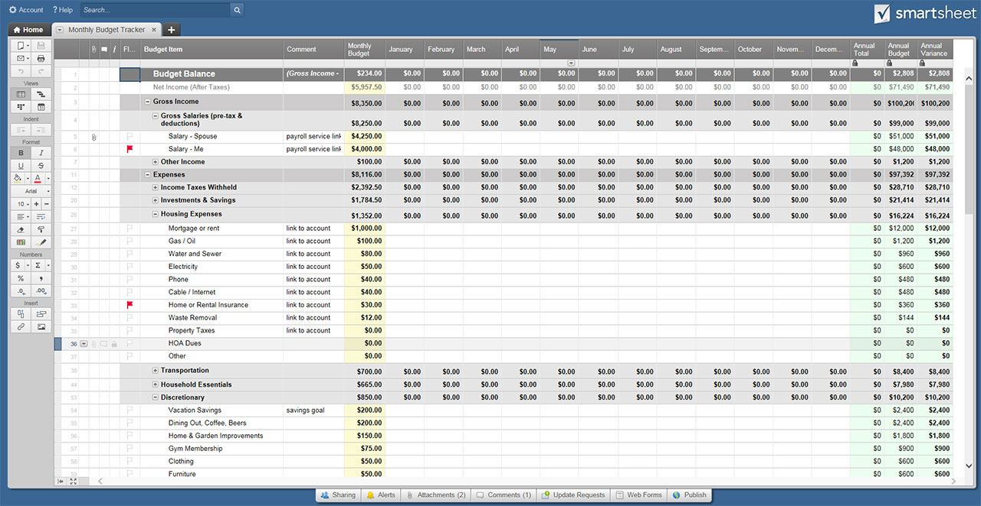
BUDGET CALCULATOR TEMPLATE

MONTHLY EXPENSES |  | ANNUAL EXPENSES |  | MONTHLY BUDGET SUMMARY

GROCERIES | $- | HOME/RENTERS INSURANCE | $- | MONTHLY EXPENSES | $-
CLOTHING | $- | AUTO INSURANCE, REGISTRATION, ETC. | $-
RENT/MORTGAGE/TAXES | $- | TAXES | $- | MONTHLY SAVINGS | $-
HOUSEHOLD/UTILITIES | $- | VACATION | $-
TRANSPORTATION | $- | TUITION | $- | ANNUAL EXPENSES | $-
HEALTH | $- | OTHER | $- |  | / 12 MONTHS
LOAN PAYMENTS | $- | OTHER | $- | ANNUAL EXPENSES PER MONTH | $-
DINING OUT | $- | OTHER | $-
ENTERTAINMENT | $- |  |  | MONTHLY EXPENSE TOTAL | $-
GIFTS/CHARITY | $- | TOTAL | $-
OTHER | $- |  |  | MONTHLY INCOME | $-
OTHER | $- | MONTHLY INCOME
OTHER | $- |  |  | ANNUAL INCOME | $-
OTHER | $- | MONTHLY INCOME 1 | $- |  | / 12 MONTHS
 |  | MONTHLY INCOME 2 | $- | ANNUAL INCOME PER MONTH | $-
TOTAL | $- | ALIMONY/CHILD SUPPORT | $-
 |  | OTHER | $- | MONTHLY INCOME TOTAL | $-
MONTHLY SAVINGS
 |  | TOTAL | $- | MONTHLY BUDGET BALANCE | $-
EMERGENCY | $-
INVESTMENT | $- | ANNUAL INCOME
RETIREMENT | $-
OTHER | $- | ANNUAL INCOME 1 | $-
OTHER | $- | ANNUAL INCOME 2 | $-
OTHER | $- | ANNUAL GIFTS/GRANTS | $-
OTHER | $- | OTHER | $-

TOTAL | $- | TOTAL | $-

CLICK HERE TO CREATE BUDGET CALCULATOR TEMPLATES IN SMARTSHEET

