Nonprofit Cash Flow Projection
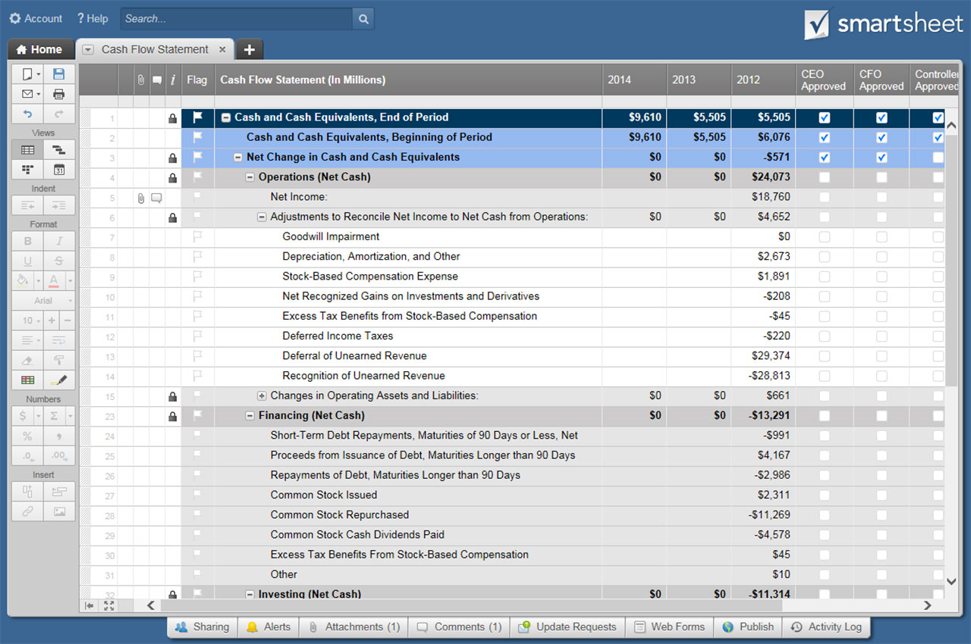
NON-PROFIT CASH FLOW PROJECTION TEMPLATE
COMPANY NAME | MANAGER NAME | COMPLETED BY | DATES REPRESENTED | DATE OF LAST UPDATE

 | MONTH 1 | MONTH 2 | MONTH 3 | QUARTER 1 TOTALS | MONTH 4 | MONTH 5 | MONTH 6 | QUARTER 2 TOTALS | MONTH 7 | MONTH 8 | MONTH 9 | QUARTER 3 TOTALS | MONTH 10 | MONTH 11 | MONTH 12 | QUARTER 4 TOTALS | FISCAL YEAR TOTALS

BEGINNING BALANCE | CASH ON HAND | $- | $- | $- | $- | $- | $- | $- | $- | $- | $- | $- | $- | $- | $- | $- | $- | $-

( + ) CASH RECEIPTS
( + ) CONTRIBUTIONS AND SUPPORT
FOUNDATION GRANT 1 | $- | $- | $- | $- | $- | $- | $- | $- | $- | $- | $- | $- | $- | $- | $- | $- | $-
FOUNDATION GRANT 2 | $- | $- | $- | $- | $- | $- | $- | $- | $- | $- | $- | $- | $- | $- | $- | $- | $-
FOUNDATION GRANT 3 | $- | $- | $- | $- | $- | $- | $- | $- | $- | $- | $- | $- | $- | $- | $- | $- | $-
FOUNDATION GRANT 4 | $- | $- | $- | $- | $- | $- | $- | $- | $- | $- | $- | $- | $- | $- | $- | $- | $-
FOUNDATION GRANT 5 | $- | $- | $- | $- | $- | $- | $- | $- | $- | $- | $- | $- | $- | $- | $- | $- | $-
FOUNDATION GRANT 6 | $- | $- | $- | $- | $- | $- | $- | $- | $- | $- | $- | $- | $- | $- | $- | $- | $-
FOUNDATION GRANT 7 | $- | $- | $- | $- | $- | $- | $- | $- | $- | $- | $- | $- | $- | $- | $- | $- | $-
CORPORATE CONTRIBUTION 1 | $- | $- | $- | $- | $- | $- | $- | $- | $- | $- | $- | $- | $- | $- | $- | $- | $-
CORPORATE CONTRIBUTION 2 | $- | $- | $- | $- | $- | $- | $- | $- | $- | $- | $- | $- | $- | $- | $- | $- | $-
CORPORATE CONTRIBUTION 3 | $- | $- | $- | $- | $- | $- | $- | $- | $- | $- | $- | $- | $- | $- | $- | $- | $-
CORPORATE CONTRIBUTION 4 | $- | $- | $- | $- | $- | $- | $- | $- | $- | $- | $- | $- | $- | $- | $- | $- | $-
CORPORATE CONTRIBUTION 5 | $- | $- | $- | $- | $- | $- | $- | $- | $- | $- | $- | $- | $- | $- | $- | $- | $-
CORPORATE CONTRIBUTION 6 | $- | $- | $- | $- | $- | $- | $- | $- | $- | $- | $- | $- | $- | $- | $- | $- | $-
CORPORATE CONTRIBUTION 7 | $- | $- | $- | $- | $- | $- | $- | $- | $- | $- | $- | $- | $- | $- | $- | $- | $-
INDIVIDUAL CONTRIBUTOR 1 | $- | $- | $- | $- | $- | $- | $- | $- | $- | $- | $- | $- | $- | $- | $- | $- | $-
INDIVIDUAL CONTRIBUTOR 2 | $- | $- | $- | $- | $- | $- | $- | $- | $- | $- | $- | $- | $- | $- | $- | $- | $-
INDIVIDUAL CONTRIBUTOR 3 | $- | $- | $- | $- | $- | $- | $- | $- | $- | $- | $- | $- | $- | $- | $- | $- | $-
INDIVIDUAL CONTRIBUTOR 4 | $- | $- | $- | $- | $- | $- | $- | $- | $- | $- | $- | $- | $- | $- | $- | $- | $-
INDIVIDUAL CONTRIBUTOR 5 | $- | $- | $- | $- | $- | $- | $- | $- | $- | $- | $- | $- | $- | $- | $- | $- | $-
INDIVIDUAL CONTRIBUTOR 6 | $- | $- | $- | $- | $- | $- | $- | $- | $- | $- | $- | $- | $- | $- | $- | $- | $-
INDIVIDUAL CONTRIBUTOR 7 | $- | $- | $- | $- | $- | $- | $- | $- | $- | $- | $- | $- | $- | $- | $- | $- | $-
( + ) GOVERNMENT CONTRACTS
FEDERAL CONTRACT 1 | $- | $- | $- | $- | $- | $- | $- | $- | $- | $- | $- | $- | $- | $- | $- | $- | $-
FEDERAL CONTRACT 2 | $- | $- | $- | $- | $- | $- | $- | $- | $- | $- | $- | $- | $- | $- | $- | $- | $-
FEDERAL CONTRACT 3 | $- | $- | $- | $- | $- | $- | $- | $- | $- | $- | $- | $- | $- | $- | $- | $- | $-
FEDERAL CONTRACT 4 | $- | $- | $- | $- | $- | $- | $- | $- | $- | $- | $- | $- | $- | $- | $- | $- | $-
STATE / LOCAL CONTRACT 1 | $- | $- | $- | $- | $- | $- | $- | $- | $- | $- | $- | $- | $- | $- | $- | $- | $-
STATE / LOCAL CONTRACT 2 | $- | $- | $- | $- | $- | $- | $- | $- | $- | $- | $- | $- | $- | $- | $- | $- | $-
STATE / LOCAL CONTRACT 3 | $- | $- | $- | $- | $- | $- | $- | $- | $- | $- | $- | $- | $- | $- | $- | $- | $-
STATE / LOCAL CONTRACT 4 | $- | $- | $- | $- | $- | $- | $- | $- | $- | $- | $- | $- | $- | $- | $- | $- | $-
( + ) OTHER REVENUE SOURCES
CASH SALES | $- | $- | $- | $- | $- | $- | $- | $- | $- | $- | $- | $- | $- | $- | $- | $- | $-
CUSTOMER ACCOUNT COLLECTIONS | $- | $- | $- | $- | $- | $- | $- | $- | $- | $- | $- | $- | $- | $- | $- | $- | $-
LOAN / CASH INJECTION | $- | $- | $- | $- | $- | $- | $- | $- | $- | $- | $- | $- | $- | $- | $- | $- | $-
INTEREST INCOME | $- | $- | $- | $- | $- | $- | $- | $- | $- | $- | $- | $- | $- | $- | $- | $- | $-
INVESTMENT INCOME | $- | $- | $- | $- | $- | $- | $- | $- | $- | $- | $- | $- | $- | $- | $- | $- | $-
SPECIAL EVENTS | $- | $- | $- | $- | $- | $- | $- | $- | $- | $- | $- | $- | $- | $- | $- | $- | $-
PROGRAM SERVICE FEES | $- | $- | $- | $- | $- | $- | $- | $- | $- | $- | $- | $- | $- | $- | $- | $- | $-
TAX REFUND | $- | $- | $- | $- | $- | $- | $- | $- | $- | $- | $- | $- | $- | $- | $- | $- | $-
OTHER | $- | $- | $- | $- | $- | $- | $- | $- | $- | $- | $- | $- | $- | $- | $- | $- | $-
OTHER | $- | $- | $- | $- | $- | $- | $- | $- | $- | $- | $- | $- | $- | $- | $- | $- | $-
OTHER | $- | $- | $- | $- | $- | $- | $- | $- | $- | $- | $- | $- | $- | $- | $- | $- | $-
( + ) YEAR PREVIOUS RECEIVABLES
RECEIVABLE 1 | $- | $- | $- | $- | $- | $- | $- | $- | $- | $- | $- | $- | $- | $- | $- | $- | $-
RECEIVABLE 2 | $- | $- | $- | $- | $- | $- | $- | $- | $- | $- | $- | $- | $- | $- | $- | $- | $-
RECEIVABLE 3 | $- | $- | $- | $- | $- | $- | $- | $- | $- | $- | $- | $- | $- | $- | $- | $- | $-
RECEIVABLE 4 | $- | $- | $- | $- | $- | $- | $- | $- | $- | $- | $- | $- | $- | $- | $- | $- | $-
RECEIVABLE 5 | $- | $- | $- | $- | $- | $- | $- | $- | $- | $- | $- | $- | $- | $- | $- | $- | $-
RECEIVABLE 6 | $- | $- | $- | $- | $- | $- | $- | $- | $- | $- | $- | $- | $- | $- | $- | $- | $-
TOTAL CASH RECEIPTS | $- | $- | $- | $- | $- | $- | $- | $- | $- | $- | $- | $- | $- | $- | $- | $- | $-

( – ) CASH PAYMENTS
( – ) COST OF GOODS SOLD
DIRECT PRODUCT / SERVICE COSTS | $- | $- | $- | $- | $- | $- | $- | $- | $- | $- | $- | $- | $- | $- | $- | $- | $-
PAYROLL TAXES / BENEFITS - DIRECT | $- | $- | $- | $- | $- | $- | $- | $- | $- | $- | $- | $- | $- | $- | $- | $- | $-
SALARIES - DIRECT | $- | $- | $- | $- | $- | $- | $- | $- | $- | $- | $- | $- | $- | $- | $- | $- | $-
SUPPLIES | $- | $- | $- | $- | $- | $- | $- | $- | $- | $- | $- | $- | $- | $- | $- | $- | $-
OTHER | $- | $- | $- | $- | $- | $- | $- | $- | $- | $- | $- | $- | $- | $- | $- | $- | $-
OTHER | $- | $- | $- | $- | $- | $- | $- | $- | $- | $- | $- | $- | $- | $- | $- | $- | $-
OTHER | $- | $- | $- | $- | $- | $- | $- | $- | $- | $- | $- | $- | $- | $- | $- | $- | $-
TOTAL COST OF GOODS SOLD | $- | $- | $- | $- | $- | $- | $- | $- | $- | $- | $- | $- | $- | $- | $- | $- | $-

( – ) OPERATING EXPENSES
ACCOUNT FEES | $- | $- | $- | $- | $- | $- | $- | $- | $- | $- | $- | $- | $- | $- | $- | $- | $-
ADVERTISING | $- | $- | $- | $- | $- | $- | $- | $- | $- | $- | $- | $- | $- | $- | $- | $- | $-
BANK FEES | $- | $- | $- | $- | $- | $- | $- | $- | $- | $- | $- | $- | $- | $- | $- | $- | $-
CONTINUING EDUCATION | $- | $- | $- | $- | $- | $- | $- | $- | $- | $- | $- | $- | $- | $- | $- | $- | $-
DUES / SUBSCRIPTIONS | $- | $- | $- | $- | $- | $- | $- | $- | $- | $- | $- | $- | $- | $- | $- | $- | $-
INSURANCE | $- | $- | $- | $- | $- | $- | $- | $- | $- | $- | $- | $- | $- | $- | $- | $- | $-
INTERNET | $- | $- | $- | $- | $- | $- | $- | $- | $- | $- | $- | $- | $- | $- | $- | $- | $-
LICENSES / PERMITS | $- | $- | $- | $- | $- | $- | $- | $- | $- | $- | $- | $- | $- | $- | $- | $- | $-
MEALS / ENTERTAINMENT | $- | $- | $- | $- | $- | $- | $- | $- | $- | $- | $- | $- | $- | $- | $- | $- | $-
OFFICE SUPPLIES | $- | $- | $- | $- | $- | $- | $- | $- | $- | $- | $- | $- | $- | $- | $- | $- | $-
PAYROLL PROCESSING | $- | $- | $- | $- | $- | $- | $- | $- | $- | $- | $- | $- | $- | $- | $- | $- | $-
PAYROLL TAXES / BENEFITS - INDIRECT | $- | $- | $- | $- | $- | $- | $- | $- | $- | $- | $- | $- | $- | $- | $- | $- | $-
POSTAGE / SHIPPING | $- | $- | $- | $- | $- | $- | $- | $- | $- | $- | $- | $- | $- | $- | $- | $- | $-
PRINTING | $- | $- | $- | $- | $- | $- | $- | $- | $- | $- | $- | $- | $- | $- | $- | $- | $-
PROFESSIONAL SERVICES | $- | $- | $- | $- | $- | $- | $- | $- | $- | $- | $- | $- | $- | $- | $- | $- | $-
OCCUPANCY | $- | $- | $- | $- | $- | $- | $- | $- | $- | $- | $- | $- | $- | $- | $- | $- | $-
RENTAL FEES | $- | $- | $- | $- | $- | $- | $- | $- | $- | $- | $- | $- | $- | $- | $- | $- | $-
SALARIES - INDIRECT | $- | $- | $- | $- | $- | $- | $- | $- | $- | $- | $- | $- | $- | $- | $- | $- | $-
SUBCONTRACTORS | $- | $- | $- | $- | $- | $- | $- | $- | $- | $- | $- | $- | $- | $- | $- | $- | $-
TELEPHONE | $- | $- | $- | $- | $- | $- | $- | $- | $- | $- | $- | $- | $- | $- | $- | $- | $-
TRANSPORTATION | $- | $- | $- | $- | $- | $- | $- | $- | $- | $- | $- | $- | $- | $- | $- | $- | $-
TRAVEL | $- | $- | $- | $- | $- | $- | $- | $- | $- | $- | $- | $- | $- | $- | $- | $- | $-
UTILITIES | $- | $- | $- | $- | $- | $- | $- | $- | $- | $- | $- | $- | $- | $- | $- | $- | $-
WEB DEVELOPMENT | $- | $- | $- | $- | $- | $- | $- | $- | $- | $- | $- | $- | $- | $- | $- | $- | $-
WEB DOMAIN AND HOSTING | $- | $- | $- | $- | $- | $- | $- | $- | $- | $- | $- | $- | $- | $- | $- | $- | $-
OTHER | $- | $- | $- | $- | $- | $- | $- | $- | $- | $- | $- | $- | $- | $- | $- | $- | $-
OTHER | $- | $- | $- | $- | $- | $- | $- | $- | $- | $- | $- | $- | $- | $- | $- | $- | $-
OTHER | $- | $- | $- | $- | $- | $- | $- | $- | $- | $- | $- | $- | $- | $- | $- | $- | $-
TOTAL OPERATING EXPENSES | $- | $- | $- | $- | $- | $- | $- | $- | $- | $- | $- | $- | $- | $- | $- | $- | $-

( – ) ADDITIONAL EXPENSES
CASH DISBURSEMENTS TO OWNERS | $- | $- | $- | $- | $- | $- | $- | $- | $- | $- | $- | $- | $- | $- | $- | $- | $-
CHARITABLE CONTRIBUTIONS | $- | $- | $- | $- | $- | $- | $- | $- | $- | $- | $- | $- | $- | $- | $- | $- | $-
INTEREST EXPENSE | $- | $- | $- | $- | $- | $- | $- | $- | $- | $- | $- | $- | $- | $- | $- | $- | $-
INCOME TAX EXPENSE | $- | $- | $- | $- | $- | $- | $- | $- | $- | $- | $- | $- | $- | $- | $- | $- | $-
PRIOR YEAR ACCRUALS | $- | $- | $- | $- | $- | $- | $- | $- | $- | $- | $- | $- | $- | $- | $- | $- | $-
OTHER | $- | $- | $- | $- | $- | $- | $- | $- | $- | $- | $- | $- | $- | $- | $- | $- | $-
OTHER | $- | $- | $- | $- | $- | $- | $- | $- | $- | $- | $- | $- | $- | $- | $- | $- | $-
OTHER | $- | $- | $- | $- | $- | $- | $- | $- | $- | $- | $- | $- | $- | $- | $- | $- | $-
TOTAL ADDITIONAL EXPENSES | $- | $- | $- | $- | $- | $- | $- | $- | $- | $- | $- | $- | $- | $- | $- | $- | $-

TOTAL CASH PAYMENTS | $- | $- | $- | $- | $- | $- | $- | $- | $- | $- | $- | $- | $- | $- | $- | $- | $-

NET CASH CHANGE (CASH RECEIPTS – CASH PAYMENTS) | $- | $- | $- | $- | $- | $- | $- | $- | $- | $- | $- | $- | $- | $- | $- | $- | $-

MONTH ENDING CASH POSITION (CASH ON HAND + CASH RECEIPTS – CASH PAYMENTS) | $- | $- | $- | $- | $- | $- | $- | $- | $- | $- | $- | $- | $- | $- | $- | $- | $-

 |  | CLICK HERE TO CREATE NON-PROFIT CASH FLOW PROJECTION TEMPLATES IN SMARTSHEET

