Income Statement Template
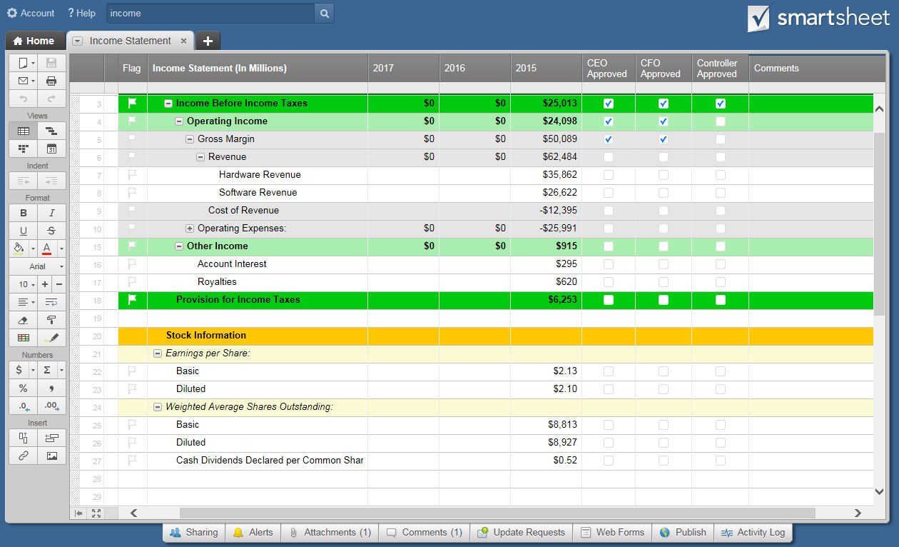
INCOME STATEMENT TEMPLATE
COMPANY |  | YEARS ENDING

MANAGER | COMPLETED BY | DATE OF LAST UPDATE

REVENUE | 2015 | 2014
Sales Revenue | $150,000 | $175,000
(Less Sales Returns and Allowances) | $- | $-
Service Revenue | $50,500 | $75,000
Interest Revenue | $- | $-
Other Revenue | $- | $-
TOTAL REVENUE | $200,500 | $250,000

EXPENSES | 2015 | 2014
Advertising | $500 | $450
Bad Debt | $- | $-
Commissions | $- | $-
Cost of Goods Sold | $55,000 | $75,000
Depreciation | $- | $-
Employee Benefits | $- | $-
Furniture and Equipment | $- | $-
Insurance | $- | $-
Interest Expense | $2,000 | $2,500
Maintenance and Repairs | $- | $-
Office Supplies | $- | $-
Payroll Taxes | $- | $-
Rent | $- | $-
Research and Development | $- | $-
Salaries and Wages | $65,000 | $85,000
Software | $- | $-
Travel | $- | $-
Utilities | $- | $-
Web Hosting and Domains | $- | $-
Other | $- | $-
TOTAL EXPENSES | $122,500 | $162,950

Net Income before Taxes | $78,000 | $87,050
Income Tax Expense | $15,600 | $17,410

INCOME FROM CONTINUING OPERATIONS | $62,400 | $69,640

NET INCOME | $62,400 | $69,640

CLICK HERE TO CREATE INCOME STATEMENT TEMPLATES IN SMARTSHEET

