Event Evaluation Form
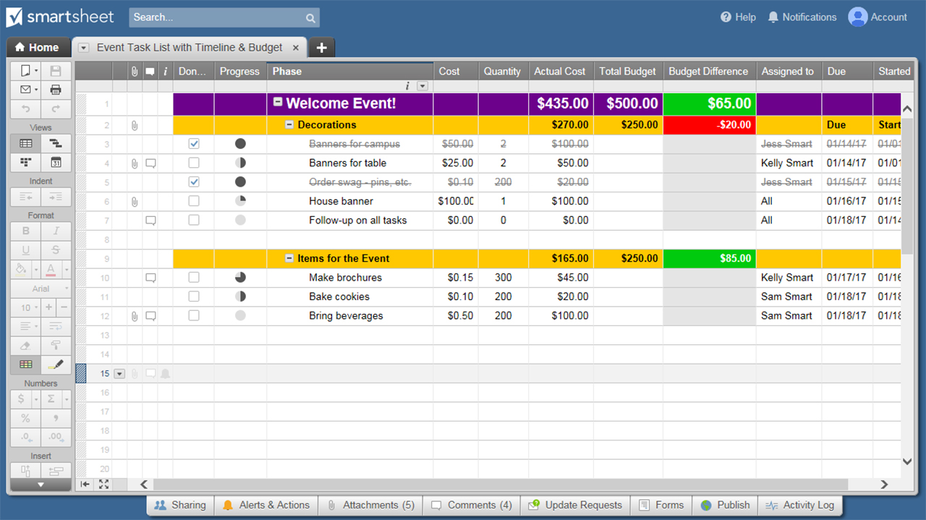
EVENT EVALUATION FORM
EVENT INFORMATION
EVENT TITLE |  | DATE
ORGANIZER |  | TIME
LOCATION |  | ATTENDANCE
RATING SCALE: 1 = SUBPAR 2 = SATISFACTORY 3 = AVERAGE 4 = GOOD 5 = EXCELLENT
CRITERIA | COMMENTS |  | RATING
WAS THE EVENT SUCCESSFUL?
RATE ATTENDEE SATISFACTION
WAS THE PLANNING PROCESS SUCCESSFUL?
RATE EFFECTIVENESS OF EVENT MATERIALS
RATE FACILITIES & LOCATION
 | SCORE OUT OF POSSIBLE 25 | 0% | 0
WOULD YOU RECOMMEND HOLDING THIS EVENT AGAIN? WHY / WHY NOT?
WHAT IMPROVEMENTS SHOULD BE MADE FOR FUTURE EVENTS?

ADDITIONAL COMMENTS

CLICK HERE TO CREATE EVENT EVALUATION FORMS IN SMARTSHEET

