Discounted Cash Flow Template
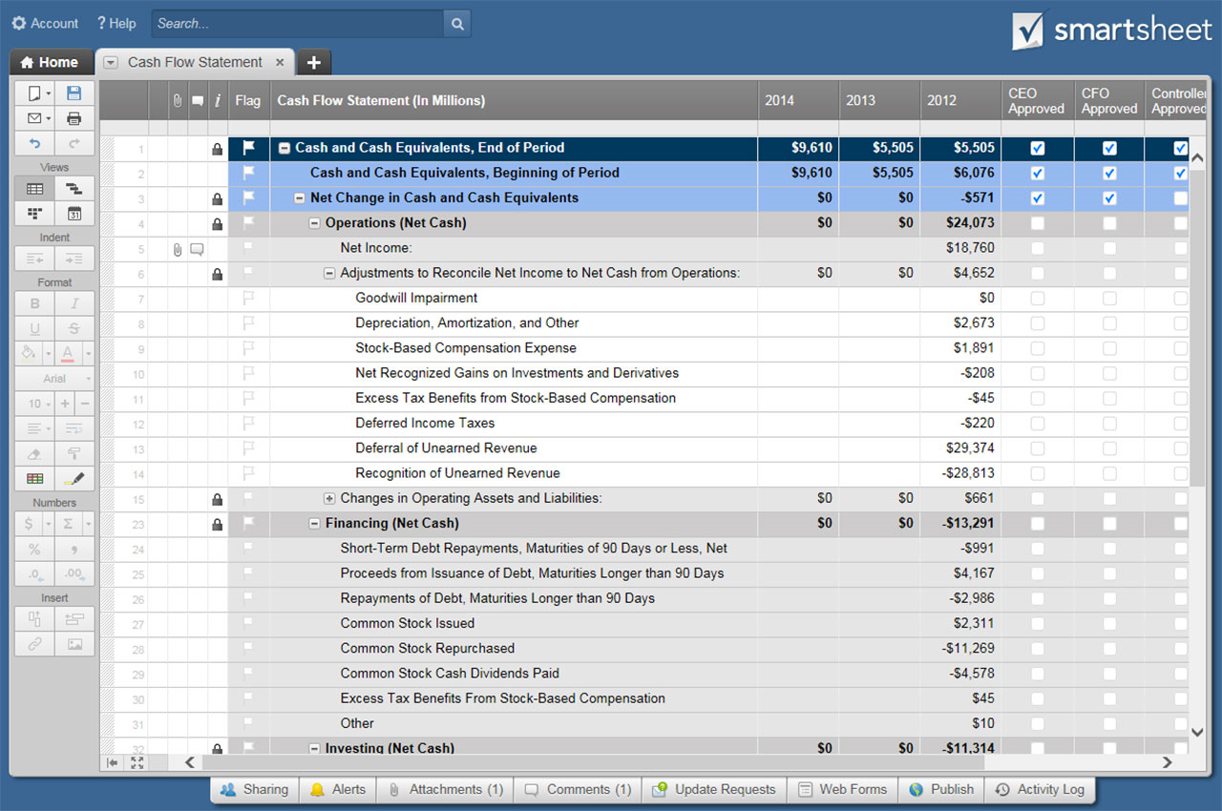
DISCOUNTED CASH FLOW TEMPLATE |  |  |  |  | Complete white fields only. Shaded fields will calculate automatically.
COMPANY NAME |  |  | MANAGER NAME |  | COMPLETED BY |  | DATE COMPLETED | INITIAL INVESTMENT |  | $-
 |  |  |  |  |  |  |  | RATE OF DISCOUNT |  | 0.00%

YEAR NUMBER | YEAR DATE | INCOME | EXPENSES |  | CASH OUTFLOW | NET CASH | DISCOUNTED CASH FLOW |  | PRESENT VALUE | NET PRESENT VALUE
 |  | CASH INFLOW | FIXED | VARIABLE | FIXED + VARIABLE | INFLOW LESS OUTFLOW | PRESENT VALUE | CUMULATIVE PRESENT VALUE
1 | 2018 |  |  |  | $- | $- | $- | $- | $- | $0.00
2 | 2019 |  |  |  | $- | $- | $- | $- | $- | $0.00
3 | 2020 |  |  |  | $- | $- | $- | $- | $- | $0.00
4 | 2021 |  |  |  | $- | $- | $- | $- | $- | $0.00
5 | 2022 |  |  |  | $- | $- | $- | $- | $- | $0.00
6 | 2023 |  |  |  | $- | $- | $- | $- | $- | $0.00
7 | 2024 |  |  |  | $- | $- | $- | $- | $- | $0.00
8 | 2025 |  |  |  | $- | $- | $- | $- | $- | $0.00
9 | 2026 |  |  |  | $- | $- | $- | $- | $- | $0.00
10 | 2027 |  |  |  | $- | $- | $- | $- | $- | $0.00
11 | 2028 |  |  |  | $- | $- | $- | $- | $- | $0.00
12 | 2029 |  |  |  | $- | $- | $- | $- | $- | $0.00
13 | 2030 |  |  |  | $- | $- | $- | $- | $- | $0.00
14 | 2031 |  |  |  | $- | $- | $- | $- | $- | $0.00
15 | 2032 |  |  |  | $- | $- | $- | $- | $- | $0.00
16 | 2033 |  |  |  | $- | $- | $- | $- | $- | $0.00
17 | 2034 |  |  |  | $- | $- | $- | $- | $- | $0.00
18 | 2035 |  |  |  | $- | $- | $- | $- | $- | $0.00
19 | 2036 |  |  |  | $- | $- | $- | $- | $- | $0.00
20 | 2037 |  |  |  | $- | $- | $- | $- | $- | $0.00
21 | 2038 |  |  |  | $- | $- | $- | $- | $- | $0.00
22 | 2039 |  |  |  | $- | $- | $- | $- | $- | $0.00
23 | 2040 |  |  |  | $- | $- | $- | $- | $- | $0.00
24 | 2041 |  |  |  | $- | $- | $- | $- | $- | $0.00
25 | 2042 |  |  |  | $- | $- | $- | $- | $- | $0.00
26 | 2043 |  |  |  | $- | $- | $- | $- | $- | $0.00
27 | 2044 |  |  |  | $- | $- | $- | $- | $- | $0.00
28 | 2045 |  |  |  | $- | $- | $- | $- | $- | $0.00
29 | 2046 |  |  |  | $- | $- | $- | $- | $- | $0.00
30 | 2047 |  |  |  | $- | $- | $- | $- | $- | $0.00

CLICK HERE TO CREATE DISCOUNTED CASH FLOW TEMPLATES IN SMARTSHEET

