Daily Cash Flow
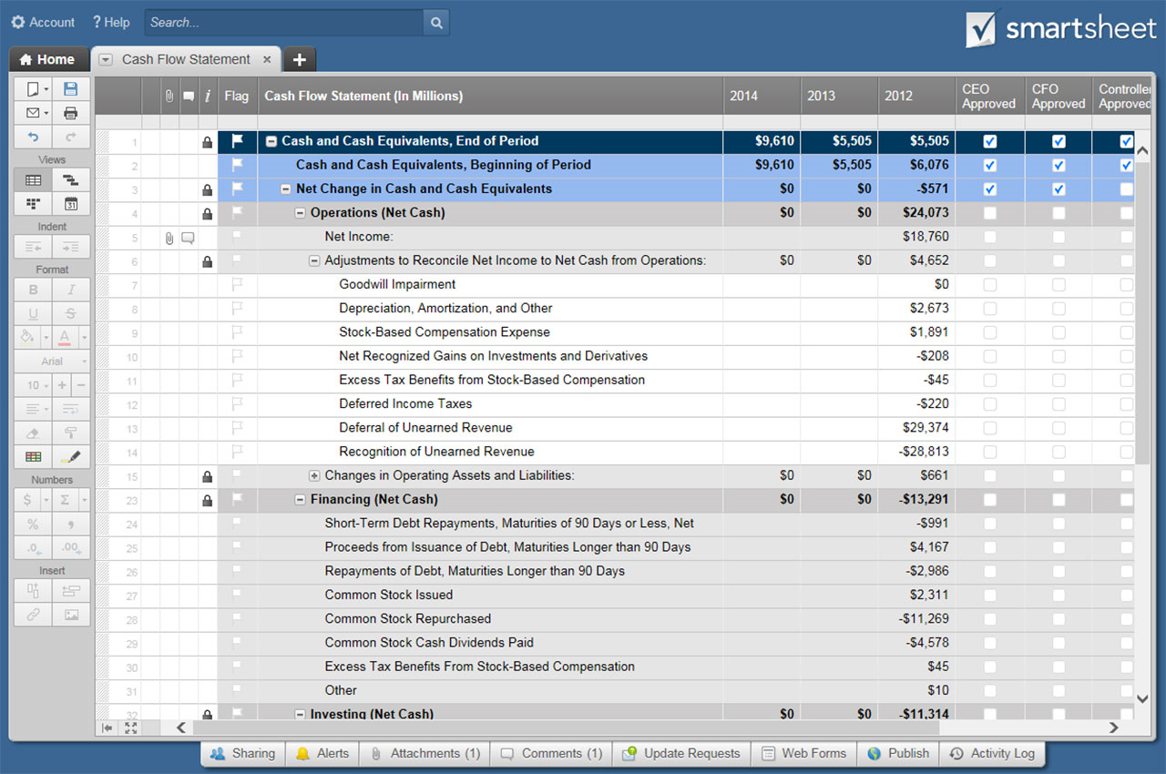
DAILY CASH FLOW TEMPLATE
COMPANY NAME | MANAGER NAME | COMPLETED BY | DATES REPRESENTED | DATE OF LAST UPDATE

Enter date of first day of month | 2018-10-01 | 2018-10-02 | 2018-10-03 | 2018-10-04 | 2018-10-05 | 2018-10-06 | 2018-10-07 | 2018-10-08 | 2018-10-09 | 2018-10-10 | 2018-10-11 | 2018-10-12 | 2018-10-13 | 2018-10-14 | 2018-10-15 | 2018-10-16 | 2018-10-17 | 2018-10-18 | 2018-10-19 | 2018-10-20 | 2018-10-21 | 2018-10-22 | 2018-10-23 | 2018-10-24 | 2018-10-25 | 2018-10-26 | 2018-10-27 | 2018-10-28 | 2018-10-29 | 2018-10-30 | 2018-10-31

BEGINNING BALANCE | CASH ON HAND | $- | $- | $- | $- | $- | $- | $- | $- | $- | $- | $- | $- | $- | $- | $- | $- | $- | $- | $- | $- | $- | $- | $- | $- | $- | $- | $- | $- | $- | $- | $- | $-

( + ) CASH RECEIPTS
CASH SALES | $- | $- | $- | $- | $- | $- | $- | $- | $- | $- | $- | $- | $- | $- | $- | $- | $- | $- | $- | $- | $- | $- | $- | $- | $- | $- | $- | $- | $- | $- | $- | $-
CUSTOMER ACCOUNT COLLECTIONS | $- | $- | $- | $- | $- | $- | $- | $- | $- | $- | $- | $- | $- | $- | $- | $- | $- | $- | $- | $- | $- | $- | $- | $- | $- | $- | $- | $- | $- | $- | $- | $-
LOAN / CASH INJECTION | $- | $- | $- | $- | $- | $- | $- | $- | $- | $- | $- | $- | $- | $- | $- | $- | $- | $- | $- | $- | $- | $- | $- | $- | $- | $- | $- | $- | $- | $- | $- | $-
INTEREST INCOME | $- | $- | $- | $- | $- | $- | $- | $- | $- | $- | $- | $- | $- | $- | $- | $- | $- | $- | $- | $- | $- | $- | $- | $- | $- | $- | $- | $- | $- | $- | $- | $-
TAX REFUND | $- | $- | $- | $- | $- | $- | $- | $- | $- | $- | $- | $- | $- | $- | $- | $- | $- | $- | $- | $- | $- | $- | $- | $- | $- | $- | $- | $- | $- | $- | $- | $-
OTHER CASH RECEIPTS | $- | $- | $- | $- | $- | $- | $- | $- | $- | $- | $- | $- | $- | $- | $- | $- | $- | $- | $- | $- | $- | $- | $- | $- | $- | $- | $- | $- | $- | $- | $- | $-
OTHER | $- | $- | $- | $- | $- | $- | $- | $- | $- | $- | $- | $- | $- | $- | $- | $- | $- | $- | $- | $- | $- | $- | $- | $- | $- | $- | $- | $- | $- | $- | $- | $-
OTHER | $- | $- | $- | $- | $- | $- | $- | $- | $- | $- | $- | $- | $- | $- | $- | $- | $- | $- | $- | $- | $- | $- | $- | $- | $- | $- | $- | $- | $- | $- | $- | $-
OTHER | $- | $- | $- | $- | $- | $- | $- | $- | $- | $- | $- | $- | $- | $- | $- | $- | $- | $- | $- | $- | $- | $- | $- | $- | $- | $- | $- | $- | $- | $- | $- | $-
TOTAL CASH RECEIPTS | $- | $- | $- | $- | $- | $- | $- | $- | $- | $- | $- | $- | $- | $- | $- | $- | $- | $- | $- | $- | $- | $- | $- | $- | $- | $- | $- | $- | $- | $- | $- | $-

( – ) CASH PAYMENTS
( – ) COST OF GOODS SOLD
DIRECT PRODUCT / SERVICE COSTS | $- | $- | $- | $- | $- | $- | $- | $- | $- | $- | $- | $- | $- | $- | $- | $- | $- | $- | $- | $- | $- | $- | $- | $- | $- | $- | $- | $- | $- | $- | $- | $-
PAYROLL TAXES / BENEFITS - DIRECT | $- | $- | $- | $- | $- | $- | $- | $- | $- | $- | $- | $- | $- | $- | $- | $- | $- | $- | $- | $- | $- | $- | $- | $- | $- | $- | $- | $- | $- | $- | $- | $-
SALARIES - DIRECT | $- | $- | $- | $- | $- | $- | $- | $- | $- | $- | $- | $- | $- | $- | $- | $- | $- | $- | $- | $- | $- | $- | $- | $- | $- | $- | $- | $- | $- | $- | $- | $-
SUPPLIES | $- | $- | $- | $- | $- | $- | $- | $- | $- | $- | $- | $- | $- | $- | $- | $- | $- | $- | $- | $- | $- | $- | $- | $- | $- | $- | $- | $- | $- | $- | $- | $-
OTHER | $- | $- | $- | $- | $- | $- | $- | $- | $- | $- | $- | $- | $- | $- | $- | $- | $- | $- | $- | $- | $- | $- | $- | $- | $- | $- | $- | $- | $- | $- | $- | $-
OTHER | $- | $- | $- | $- | $- | $- | $- | $- | $- | $- | $- | $- | $- | $- | $- | $- | $- | $- | $- | $- | $- | $- | $- | $- | $- | $- | $- | $- | $- | $- | $- | $-
OTHER | $- | $- | $- | $- | $- | $- | $- | $- | $- | $- | $- | $- | $- | $- | $- | $- | $- | $- | $- | $- | $- | $- | $- | $- | $- | $- | $- | $- | $- | $- | $- | $-
TOTAL COST OF GOODS SOLD | $- | $- | $- | $- | $- | $- | $- | $- | $- | $- | $- | $- | $- | $- | $- | $- | $- | $- | $- | $- | $- | $- | $- | $- | $- | $- | $- | $- | $- | $- | $- | $-

( – ) OPERATING EXPENSES
ACCOUNT FEES | $- | $- | $- | $- | $- | $- | $- | $- | $- | $- | $- | $- | $- | $- | $- | $- | $- | $- | $- | $- | $- | $- | $- | $- | $- | $- | $- | $- | $- | $- | $- | $-
ADVERTISING | $- | $- | $- | $- | $- | $- | $- | $- | $- | $- | $- | $- | $- | $- | $- | $- | $- | $- | $- | $- | $- | $- | $- | $- | $- | $- | $- | $- | $- | $- | $- | $-
BANK FEES | $- | $- | $- | $- | $- | $- | $- | $- | $- | $- | $- | $- | $- | $- | $- | $- | $- | $- | $- | $- | $- | $- | $- | $- | $- | $- | $- | $- | $- | $- | $- | $-
CONTINUING EDUCATION | $- | $- | $- | $- | $- | $- | $- | $- | $- | $- | $- | $- | $- | $- | $- | $- | $- | $- | $- | $- | $- | $- | $- | $- | $- | $- | $- | $- | $- | $- | $- | $-
DUES / SUBSCRIPTIONS | $- | $- | $- | $- | $- | $- | $- | $- | $- | $- | $- | $- | $- | $- | $- | $- | $- | $- | $- | $- | $- | $- | $- | $- | $- | $- | $- | $- | $- | $- | $- | $-
INSURANCE | $- | $- | $- | $- | $- | $- | $- | $- | $- | $- | $- | $- | $- | $- | $- | $- | $- | $- | $- | $- | $- | $- | $- | $- | $- | $- | $- | $- | $- | $- | $- | $-
INTERNET | $- | $- | $- | $- | $- | $- | $- | $- | $- | $- | $- | $- | $- | $- | $- | $- | $- | $- | $- | $- | $- | $- | $- | $- | $- | $- | $- | $- | $- | $- | $- | $-
LICENSES / PERMITS | $- | $- | $- | $- | $- | $- | $- | $- | $- | $- | $- | $- | $- | $- | $- | $- | $- | $- | $- | $- | $- | $- | $- | $- | $- | $- | $- | $- | $- | $- | $- | $-
MEALS / ENTERTAINMENT | $- | $- | $- | $- | $- | $- | $- | $- | $- | $- | $- | $- | $- | $- | $- | $- | $- | $- | $- | $- | $- | $- | $- | $- | $- | $- | $- | $- | $- | $- | $- | $-
OFFICE SUPPLIES | $- | $- | $- | $- | $- | $- | $- | $- | $- | $- | $- | $- | $- | $- | $- | $- | $- | $- | $- | $- | $- | $- | $- | $- | $- | $- | $- | $- | $- | $- | $- | $-
PAYROLL PROCESSING | $- | $- | $- | $- | $- | $- | $- | $- | $- | $- | $- | $- | $- | $- | $- | $- | $- | $- | $- | $- | $- | $- | $- | $- | $- | $- | $- | $- | $- | $- | $- | $-
PAYROLL TAXES / BENEFITS - INDIRECT | $- | $- | $- | $- | $- | $- | $- | $- | $- | $- | $- | $- | $- | $- | $- | $- | $- | $- | $- | $- | $- | $- | $- | $- | $- | $- | $- | $- | $- | $- | $- | $-
POSTAGE / SHIPPING | $- | $- | $- | $- | $- | $- | $- | $- | $- | $- | $- | $- | $- | $- | $- | $- | $- | $- | $- | $- | $- | $- | $- | $- | $- | $- | $- | $- | $- | $- | $- | $-
PRINTING | $- | $- | $- | $- | $- | $- | $- | $- | $- | $- | $- | $- | $- | $- | $- | $- | $- | $- | $- | $- | $- | $- | $- | $- | $- | $- | $- | $- | $- | $- | $- | $-
PROFESSIONAL SERVICES | $- | $- | $- | $- | $- | $- | $- | $- | $- | $- | $- | $- | $- | $- | $- | $- | $- | $- | $- | $- | $- | $- | $- | $- | $- | $- | $- | $- | $- | $- | $- | $-
OCCUPANCY | $- | $- | $- | $- | $- | $- | $- | $- | $- | $- | $- | $- | $- | $- | $- | $- | $- | $- | $- | $- | $- | $- | $- | $- | $- | $- | $- | $- | $- | $- | $- | $-
RENTAL FEES | $- | $- | $- | $- | $- | $- | $- | $- | $- | $- | $- | $- | $- | $- | $- | $- | $- | $- | $- | $- | $- | $- | $- | $- | $- | $- | $- | $- | $- | $- | $- | $-
SALARIES - INDIRECT | $- | $- | $- | $- | $- | $- | $- | $- | $- | $- | $- | $- | $- | $- | $- | $- | $- | $- | $- | $- | $- | $- | $- | $- | $- | $- | $- | $- | $- | $- | $- | $-
SUBCONTRACTORS | $- | $- | $- | $- | $- | $- | $- | $- | $- | $- | $- | $- | $- | $- | $- | $- | $- | $- | $- | $- | $- | $- | $- | $- | $- | $- | $- | $- | $- | $- | $- | $-
TELEPHONE | $- | $- | $- | $- | $- | $- | $- | $- | $- | $- | $- | $- | $- | $- | $- | $- | $- | $- | $- | $- | $- | $- | $- | $- | $- | $- | $- | $- | $- | $- | $- | $-
TRANSPORTATION | $- | $- | $- | $- | $- | $- | $- | $- | $- | $- | $- | $- | $- | $- | $- | $- | $- | $- | $- | $- | $- | $- | $- | $- | $- | $- | $- | $- | $- | $- | $- | $-
TRAVEL | $- | $- | $- | $- | $- | $- | $- | $- | $- | $- | $- | $- | $- | $- | $- | $- | $- | $- | $- | $- | $- | $- | $- | $- | $- | $- | $- | $- | $- | $- | $- | $-
UTILITIES | $- | $- | $- | $- | $- | $- | $- | $- | $- | $- | $- | $- | $- | $- | $- | $- | $- | $- | $- | $- | $- | $- | $- | $- | $- | $- | $- | $- | $- | $- | $- | $-
WEB DEVELOPMENT | $- | $- | $- | $- | $- | $- | $- | $- | $- | $- | $- | $- | $- | $- | $- | $- | $- | $- | $- | $- | $- | $- | $- | $- | $- | $- | $- | $- | $- | $- | $- | $-
WEB DOMAIN AND HOSTING | $- | $- | $- | $- | $- | $- | $- | $- | $- | $- | $- | $- | $- | $- | $- | $- | $- | $- | $- | $- | $- | $- | $- | $- | $- | $- | $- | $- | $- | $- | $- | $-
OTHER | $- | $- | $- | $- | $- | $- | $- | $- | $- | $- | $- | $- | $- | $- | $- | $- | $- | $- | $- | $- | $- | $- | $- | $- | $- | $- | $- | $- | $- | $- | $- | $-
OTHER | $- | $- | $- | $- | $- | $- | $- | $- | $- | $- | $- | $- | $- | $- | $- | $- | $- | $- | $- | $- | $- | $- | $- | $- | $- | $- | $- | $- | $- | $- | $- | $-
OTHER | $- | $- | $- | $- | $- | $- | $- | $- | $- | $- | $- | $- | $- | $- | $- | $- | $- | $- | $- | $- | $- | $- | $- | $- | $- | $- | $- | $- | $- | $- | $- | $-
TOTAL OPERATING EXPENSES | $- | $- | $- | $- | $- | $- | $- | $- | $- | $- | $- | $- | $- | $- | $- | $- | $- | $- | $- | $- | $- | $- | $- | $- | $- | $- | $- | $- | $- | $- | $- | $-

( – ) ADDITIONAL EXPENSES
CASH DISBURSEMENTS TO OWNERS | $- | $- | $- | $- | $- | $- | $- | $- | $- | $- | $- | $- | $- | $- | $- | $- | $- | $- | $- | $- | $- | $- | $- | $- | $- | $- | $- | $- | $- | $- | $- | $-
CHARITABLE CONTRIBUTIONS | $- | $- | $- | $- | $- | $- | $- | $- | $- | $- | $- | $- | $- | $- | $- | $- | $- | $- | $- | $- | $- | $- | $- | $- | $- | $- | $- | $- | $- | $- | $- | $-
INTEREST EXPENSE | $- | $- | $- | $- | $- | $- | $- | $- | $- | $- | $- | $- | $- | $- | $- | $- | $- | $- | $- | $- | $- | $- | $- | $- | $- | $- | $- | $- | $- | $- | $- | $-
INCOME TAX EXPENSE | $- | $- | $- | $- | $- | $- | $- | $- | $- | $- | $- | $- | $- | $- | $- | $- | $- | $- | $- | $- | $- | $- | $- | $- | $- | $- | $- | $- | $- | $- | $- | $-
OTHER | $- | $- | $- | $- | $- | $- | $- | $- | $- | $- | $- | $- | $- | $- | $- | $- | $- | $- | $- | $- | $- | $- | $- | $- | $- | $- | $- | $- | $- | $- | $- | $-
OTHER | $- | $- | $- | $- | $- | $- | $- | $- | $- | $- | $- | $- | $- | $- | $- | $- | $- | $- | $- | $- | $- | $- | $- | $- | $- | $- | $- | $- | $- | $- | $- | $-
OTHER | $- | $- | $- | $- | $- | $- | $- | $- | $- | $- | $- | $- | $- | $- | $- | $- | $- | $- | $- | $- | $- | $- | $- | $- | $- | $- | $- | $- | $- | $- | $- | $-
TOTAL ADDITIONAL EXPENSES | $- | $- | $- | $- | $- | $- | $- | $- | $- | $- | $- | $- | $- | $- | $- | $- | $- | $- | $- | $- | $- | $- | $- | $- | $- | $- | $- | $- | $- | $- | $- | $-

TOTAL CASH PAYMENTS | $- | $- | $- | $- | $- | $- | $- | $- | $- | $- | $- | $- | $- | $- | $- | $- | $- | $- | $- | $- | $- | $- | $- | $- | $- | $- | $- | $- | $- | $- | $- | $-

NET CASH CHANGE (CASH RECEIPTS – CASH PAYMENTS) | $- | $- | $- | $- | $- | $- | $- | $- | $- | $- | $- | $- | $- | $- | $- | $- | $- | $- | $- | $- | $- | $- | $- | $- | $- | $- | $- | $- | $- | $- | $- | $-

MONTH ENDING CASH POSITION (CASH ON HAND + CASH RECEIPTS – CASH PAYMENTS) | $- | $- | $- | $- | $- | $- | $- | $- | $- | $- | $- | $- | $- | $- | $- | $- | $- | $- | $- | $- | $- | $- | $- | $- | $- | $- | $- | $- | $- | $- | $- | $-

CLICK HERE TO CREATE DAILY CASH FLOW TEMPLATES IN SMARTSHEET

