Cash Flow Analysis Template
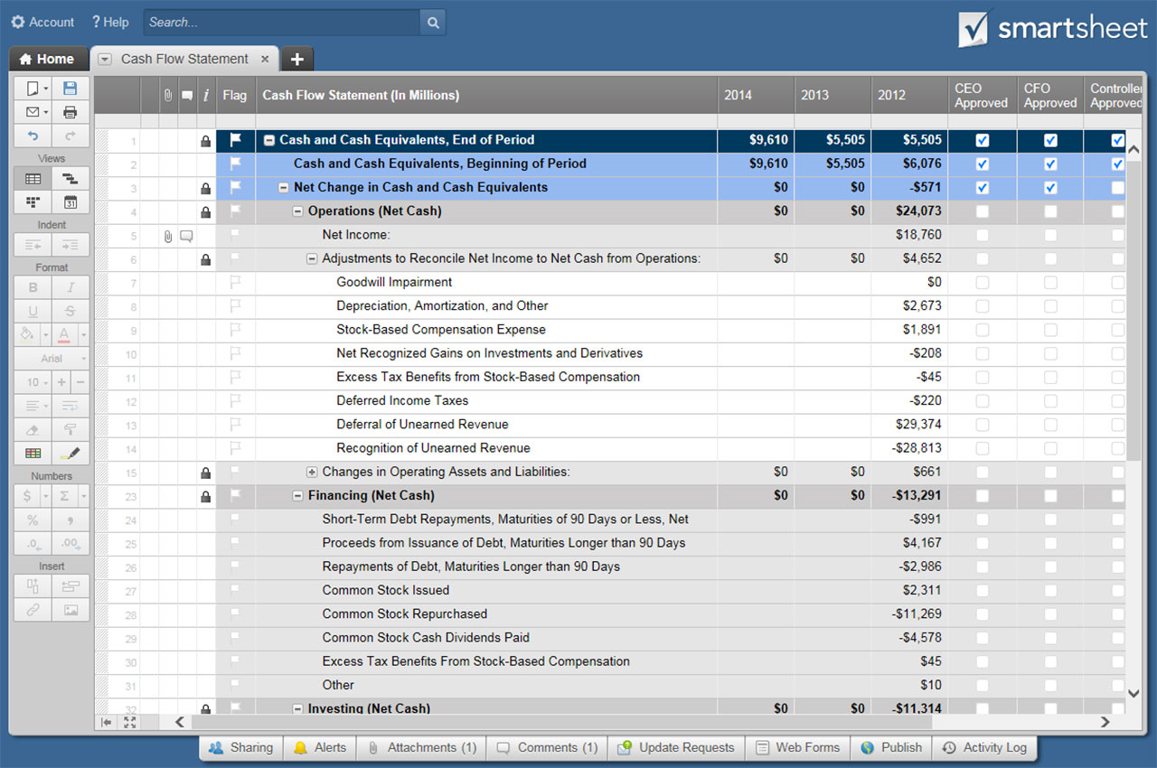
CASH FLOW ANALYSIS TEMPLATE
COMPANY NAME | MANAGER NAME | COMPLETED BY | DATE COMPLETED

TIME PERIOD COVERED | CASH FLOW TYPE
 | PESSIMISTIC | EXPECTED | OPTIMISTIC

BEGINNING BALANCE | CASH ON HAND | $- | $- | $-

( + ) CASH RECEIPTS
CASH SALES | $- | $- | $-
CUSTOMER ACCOUNT COLLECTIONS | $- | $- | $-
LOAN / CASH INJECTION | $- | $- | $-
INTEREST INCOME | $- | $- | $-
TAX REFUND | $- | $- | $-
OTHER CASH RECEIPTS | $- | $- | $-
OTHER | $- | $- | $-
OTHER | $- | $- | $-
OTHER | $- | $- | $-
TOTAL CASH RECEIPTS | $- | $- | $-

( – ) CASH PAYMENTS
( – ) COST OF GOODS SOLD
DIRECT PRODUCT / SERVICE COSTS | $- | $- | $-
PAYROLL TAXES / BENEFITS - DIRECT | $- | $- | $-
SALARIES - DIRECT | $- | $- | $-
SUPPLIES | $- | $- | $-
OTHER | $- | $- | $-
OTHER | $- | $- | $-
OTHER | $- | $- | $-
TOTAL COST OF GOODS SOLD | $- | $- | $-

( – ) OPERATING EXPENSES
ACCOUNT FEES | $- | $- | $-
ADVERTISING | $- | $- | $-
BANK FEES | $- | $- | $-
CONTINUING EDUCATION | $- | $- | $-
DUES / SUBSCRIPTIONS | $- | $- | $-
INSURANCE | $- | $- | $-
INTERNET | $- | $- | $-
LICENSES / PERMITS | $- | $- | $-
MEALS / ENTERTAINMENT | $- | $- | $-
OFFICE SUPPLIES | $- | $- | $-
PAYROLL PROCESSING | $- | $- | $-
PAYROLL TAXES / BENEFITS - INDIRECT | $- | $- | $-
POSTAGE / SHIPPING | $- | $- | $-
PRINTING | $- | $- | $-
PROFESSIONAL SERVICES | $- | $- | $-
OCCUPANCY | $- | $- | $-
RENTAL FEES | $- | $- | $-
SALARIES - INDIRECT | $- | $- | $-
SUBCONTRACTORS | $- | $- | $-
TELEPHONE | $- | $- | $-
TRANSPORTATION | $- | $- | $-
TRAVEL | $- | $- | $-
UTILITIES | $- | $- | $-
WEB DEVELOPMENT | $- | $- | $-
WEB DOMAIN AND HOSTING | $- | $- | $-
OTHER | $- | $- | $-
OTHER | $- | $- | $-
OTHER | $- | $- | $-
TOTAL OPERATING EXPENSES | $- | $- | $-

( – ) ADDITIONAL EXPENSES
CASH DISBURSEMENTS TO OWNERS | $- | $- | $-
CHARITABLE CONTRIBUTIONS | $- | $- | $-
INTEREST EXPENSE | $- | $- | $-
INCOME TAX EXPENSE | $- | $- | $-
OTHER | $- | $- | $-
OTHER | $- | $- | $-
OTHER | $- | $- | $-
TOTAL ADDITIONAL EXPENSES | $- | $- | $-

TOTAL CASH PAYMENTS | $- | $- | $-

NET CASH CHANGE (CASH RECEIPTS – CASH PAYMENTS) | $- | $- | $-

MONTH-ENDING CASH POSITION (CASH ON HAND + CASH RECEIPTS – CASH PAYMENTS) | $- | $- | $-

CLICK HERE TO CREATE CASH FLOW ANALYSIS TEMPLATES IN SMARTSHEET

