Accounts Receivable Aging
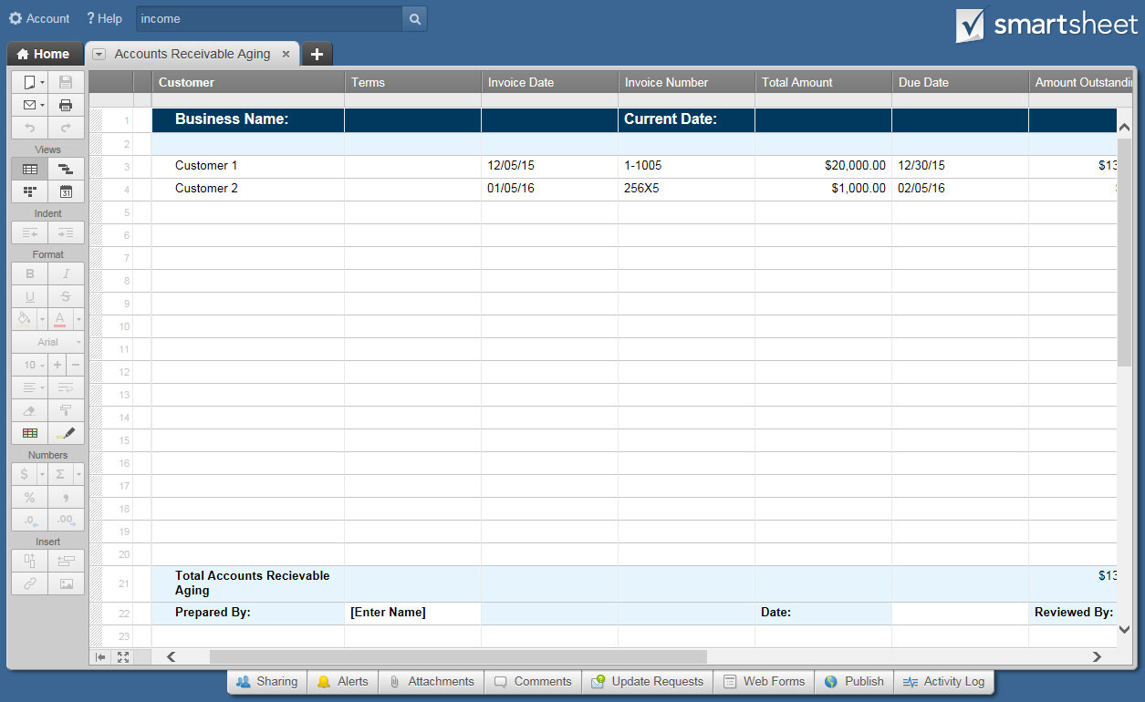
ACCOUNTS RECEIVABLE TEMPLATE |  |  |  | Enter all data on Accounts Payable Ledger tab. Accounts Receivable Aging will populate automatically.
COMPANY |  |  |  | CURRENT DATE | 2020-06-07 | ADDITIONAL INFO

INVOICE DATE | INVOICE NUMBER | CUSTOMER | TERMS | TOTAL AMOUNT | DATE DUE | BALANCE DUE | CURRENT | AGED 1-30 | AGED 31-60 | AGED 61-90 | AGED > 91
0 | 0 | 0 | 0 | $- | 0 | $-
0 | 0 | 0 | 0 | $- | 0 | $-
0 | 0 | 0 | 0 | $- | 0 | $-
0 | 0 | 0 | 0 | $- | 0 | $-
0 | 0 | 0 | 0 | $- | 0 | $-
0 | 0 | 0 | 0 | $- | 0 | $-
0 | 0 | 0 | 0 | $- | 0 | $-
0 | 0 | 0 | 0 | $- | 0 | $-
0 | 0 | 0 | 0 | $- | 0 | $-
0 | 0 | 0 | 0 | $- | 0 | $-
0 | 0 | 0 | 0 | $- | 0 | $-
0 | 0 | 0 | 0 | $- | 0 | $-
0 | 0 | 0 | 0 | $- | 0 | $-
0 | 0 | 0 | 0 | $- | 0 | $-
0 | 0 | 0 | 0 | $- | 0 | $-
0 | 0 | 0 | 0 | $- | 0 | $-
0 | 0 | 0 | 0 | $- | 0 | $-
0 | 0 | 0 | 0 | $- | 0 | $-
0 | 0 | 0 | 0 | $- | 0 | $-
0 | 0 | 0 | 0 | $- | 0 | $-
TOTAL ACCOUNTS RECEIVABLE AGING |  |  |  |  |  | $- | $- | $- | $- | $- | $-

PREPARED BY |  |  |  | DATE |  | REVIEWED BY |  |  |  | DATE

 | CLICK HERE TO CREATE ACCOUNTS RECEIVABLE TEMPLATES IN SMARTSHEET

