12-Month Cash Flow Forecast
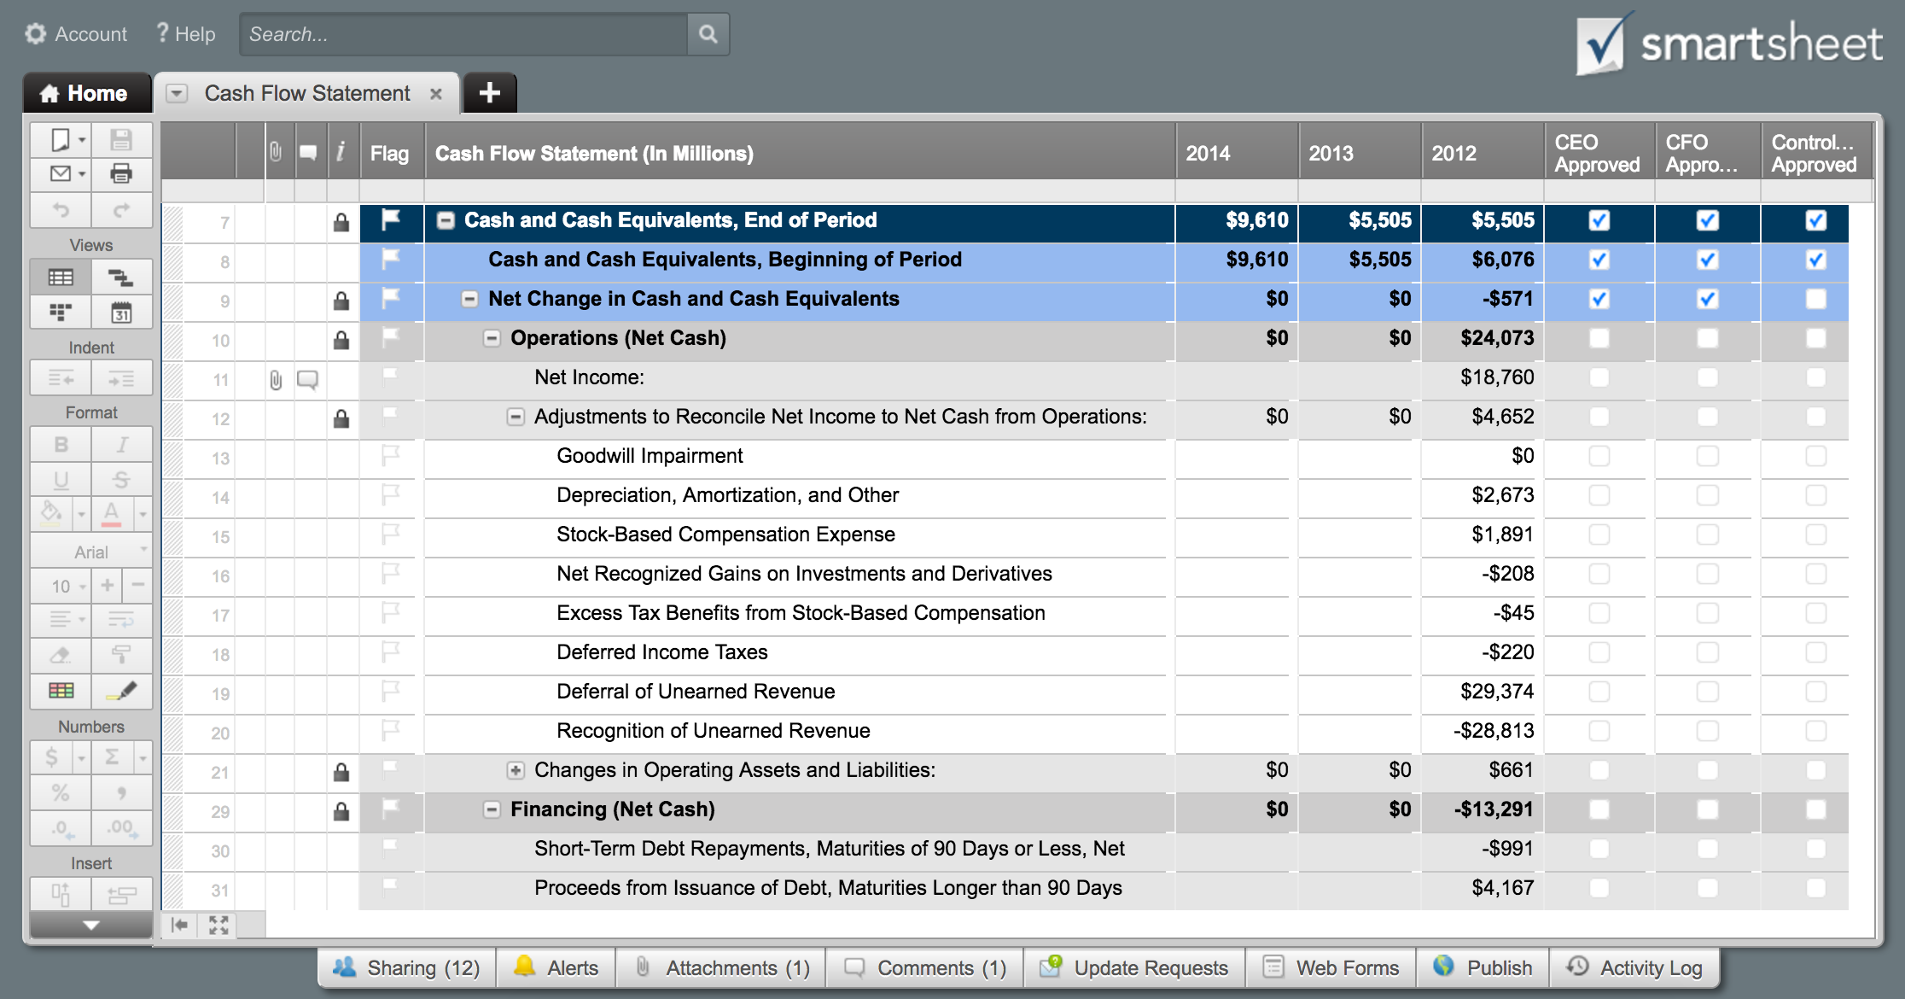
12-MONTH CASH FLOW FORECAST TEMPLATE

COMPANY NAME | JANUARY |  | FEBRUARY |  | MARCH |  | APRIL |  | MAY |  | JUNE |  | JULY |  | AUGUST |  | SEPTEMBER |  | OCTOBER |  | NOVEMBER |  | DECEMBER |  | YEARLY TOTALS
FISCAL YEAR DATES | EXPECTED | ACTUAL | EXPECTED | ACTUAL | EXPECTED | ACTUAL | EXPECTED | ACTUAL | EXPECTED | ACTUAL | EXPECTED | ACTUAL | EXPECTED | ACTUAL | EXPECTED | ACTUAL | EXPECTED | ACTUAL | EXPECTED | ACTUAL | EXPECTED | ACTUAL | EXPECTED | ACTUAL | EXPECTED | ACTUAL
CASH ON HAND (beginning of month) | $- | $- | $- | $- | $- | $- | $- | $- | $- | $- | $- | $- | $- | $- | $- | $- | $- | $- | $- | $- | $- | $- | $- | $- | $- | $-

CASH RECEIPTS
Customers | $- | $- | $- | $- | $- | $- | $- | $- | $- | $- | $- | $- | $- | $- | $- | $- | $- | $- | $- | $- | $- | $- | $- | $- | $- | $-
Other Operations | $- | $- | $- | $- | $- | $- | $- | $- | $- | $- | $- | $- | $- | $- | $- | $- | $- | $- | $- | $- | $- | $- | $- | $- | $- | $-
Sale of Property and Equipment | $- | $- | $- | $- | $- | $- | $- | $- | $- | $- | $- | $- | $- | $- | $- | $- | $- | $- | $- | $- | $- | $- | $- | $- | $- | $-
Collection of Principal on Loans | $- | $- | $- | $- | $- | $- | $- | $- | $- | $- | $- | $- | $- | $- | $- | $- | $- | $- | $- | $- | $- | $- | $- | $- | $- | $-
Sale of Investment Securities | $- | $- | $- | $- | $- | $- | $- | $- | $- | $- | $- | $- | $- | $- | $- | $- | $- | $- | $- | $- | $- | $- | $- | $- | $- | $-
Issuance of Stock | $- | $- | $- | $- | $- | $- | $- | $- | $- | $- | $- | $- | $- | $- | $- | $- | $- | $- | $- | $- | $- | $- | $- | $- | $- | $-
Borrowing | $- | $- | $- | $- | $- | $- | $- | $- | $- | $- | $- | $- | $- | $- | $- | $- | $- | $- | $- | $- | $- | $- | $- | $- | $- | $-
Other | $- | $- | $- | $- | $- | $- | $- | $- | $- | $- | $- | $- | $- | $- | $- | $- | $- | $- | $- | $- | $- | $- | $- | $- | $- | $-
Other | $- | $- | $- | $- | $- | $- | $- | $- | $- | $- | $- | $- | $- | $- | $- | $- | $- | $- | $- | $- | $- | $- | $- | $- | $- | $-
TOTAL CASH RECEIPTS | $- | $- | $- | $- | $- | $- | $- | $- | $- | $- | $- | $- | $- | $- | $- | $- | $- | $- | $- | $- | $- | $- | $- | $- | $- | $-
TOTAL CASH AVAILABLE (before cash out) | $- | $- | $- | $- | $- | $- | $- | $- | $- | $- | $- | $- | $- | $- | $- | $- | $- | $- | $- | $- | $- | $- | $- | $- | $- | $-

CASH PAID OUT
Purchase of Property and Equipment | $- | $- | $- | $- | $- | $- | $- | $- | $- | $- | $- | $- | $- | $- | $- | $- | $- | $- | $- | $- | $- | $- | $- | $- | $- | $-
Making Loans to Other Entities | $- | $- | $- | $- | $- | $- | $- | $- | $- | $- | $- | $- | $- | $- | $- | $- | $- | $- | $- | $- | $- | $- | $- | $- | $- | $-
Purchase of Investment Securities | $- | $- | $- | $- | $- | $- | $- | $- | $- | $- | $- | $- | $- | $- | $- | $- | $- | $- | $- | $- | $- | $- | $- | $- | $- | $-
Inventory Purchases | $- | $- | $- | $- | $- | $- | $- | $- | $- | $- | $- | $- | $- | $- | $- | $- | $- | $- | $- | $- | $- | $- | $- | $- | $- | $-
General Operating and Administrative Expenses | $- | $- | $- | $- | $- | $- | $- | $- | $- | $- | $- | $- | $- | $- | $- | $- | $- | $- | $- | $- | $- | $- | $- | $- | $- | $-
Wage Expenses | $- | $- | $- | $- | $- | $- | $- | $- | $- | $- | $- | $- | $- | $- | $- | $- | $- | $- | $- | $- | $- | $- | $- | $- | $- | $-
Interest | $- | $- | $- | $- | $- | $- | $- | $- | $- | $- | $- | $- | $- | $- | $- | $- | $- | $- | $- | $- | $- | $- | $- | $- | $- | $-
Income Taxes | $- | $- | $- | $- | $- | $- | $- | $- | $- | $- | $- | $- | $- | $- | $- | $- | $- | $- | $- | $- | $- | $- | $- | $- | $- | $-
Other | $- | $- | $- | $- | $- | $- | $- | $- | $- | $- | $- | $- | $- | $- | $- | $- | $- | $- | $- | $- | $- | $- | $- | $- | $- | $-
Other | $- | $- | $- | $- | $- | $- | $- | $- | $- | $- | $- | $- | $- | $- | $- | $- | $- | $- | $- | $- | $- | $- | $- | $- | $- | $-
SUBTOTAL | $- | $- | $- | $- | $- | $- | $- | $- | $- | $- | $- | $- | $- | $- | $- | $- | $- | $- | $- | $- | $- | $- | $- | $- | $- | $-
Repurchase of Stock (Treasury Stock) | $- | $- | $- | $- | $- | $- | $- | $- | $- | $- | $- | $- | $- | $- | $- | $- | $- | $- | $- | $- | $- | $- | $- | $- | $- | $-
Repayments of Loans | $- | $- | $- | $- | $- | $- | $- | $- | $- | $- | $- | $- | $- | $- | $- | $- | $- | $- | $- | $- | $- | $- | $- | $- | $- | $-
Dividends | $- | $- | $- | $- | $- | $- | $- | $- | $- | $- | $- | $- | $- | $- | $- | $- | $- | $- | $- | $- | $- | $- | $- | $- | $- | $-
Other | $- | $- | $- | $- | $- | $- | $- | $- | $- | $- | $- | $- | $- | $- | $- | $- | $- | $- | $- | $- | $- | $- | $- | $- | $- | $-
TOTAL CASH PAID OUT | $- | $- | $- | $- | $- | $- | $- | $- | $- | $- | $- | $- | $- | $- | $- | $- | $- | $- | $- | $- | $- | $- | $- | $- | $- | $-
CASH POSITION (end of month) | $- | $- | $- | $- | $- | $- | $- | $- | $- | $- | $- | $- | $- | $- | $- | $- | $- | $- | $- | $- | $- | $- | $- | $- | $- | $-

CLICK HERE TO CREATE 12-MONTH CASH FLOW FORECAST TEMPLATES IN SMARTSHEET

